Index
 | 

 | 2026 PRICE BOOK

 | Enter your multiplier below to have your cost caluclated on the following pages

 |  | 1.0000

 |  | SHADED ITEMS IN PRICE BOOK ARE NON-STOCK

INDEX

CLICK ON PRODUCT NAME TO BE REDIRECTED TO PRODUCT PAGE.

JAM RAILING |  | REGAL RAILING | VINYL RAILING | DECK ACCESSORIES, LIGHTING, PERGOLAS, ARBORS

Advantage Picket |  | Regal Picket | JAM Pro Series | G-Tape
Advantage Horizontal Cable |  | Regal Glass |  | Posts, Caps, Trims & Lineals
Aluminum Posts & Post Wraps |  | Crystal Rail |  | LMT Low Voltage
External Cable Fittings |  | Regal ADA Handrail |  | LMT Solar
Advantage VertiRod |  | Telesteps Ladders |  | Vinyl Pergolas
Aluminum ADA Handrail |  |  |  | LMT Vinyl Arbors
 |  |  |  | Fence

Freight
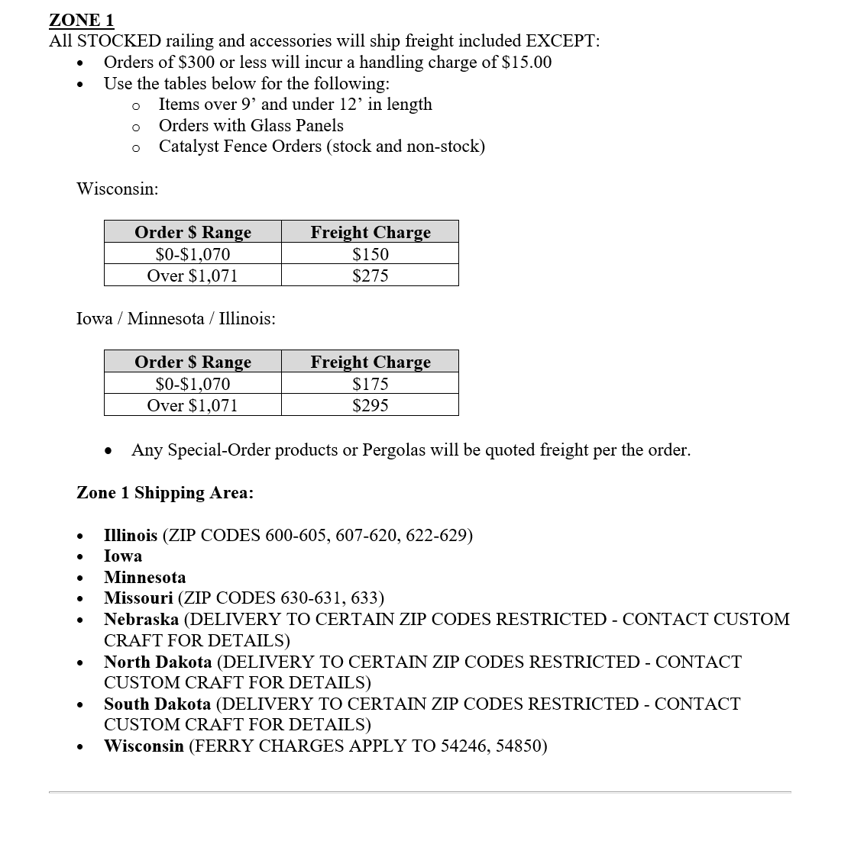
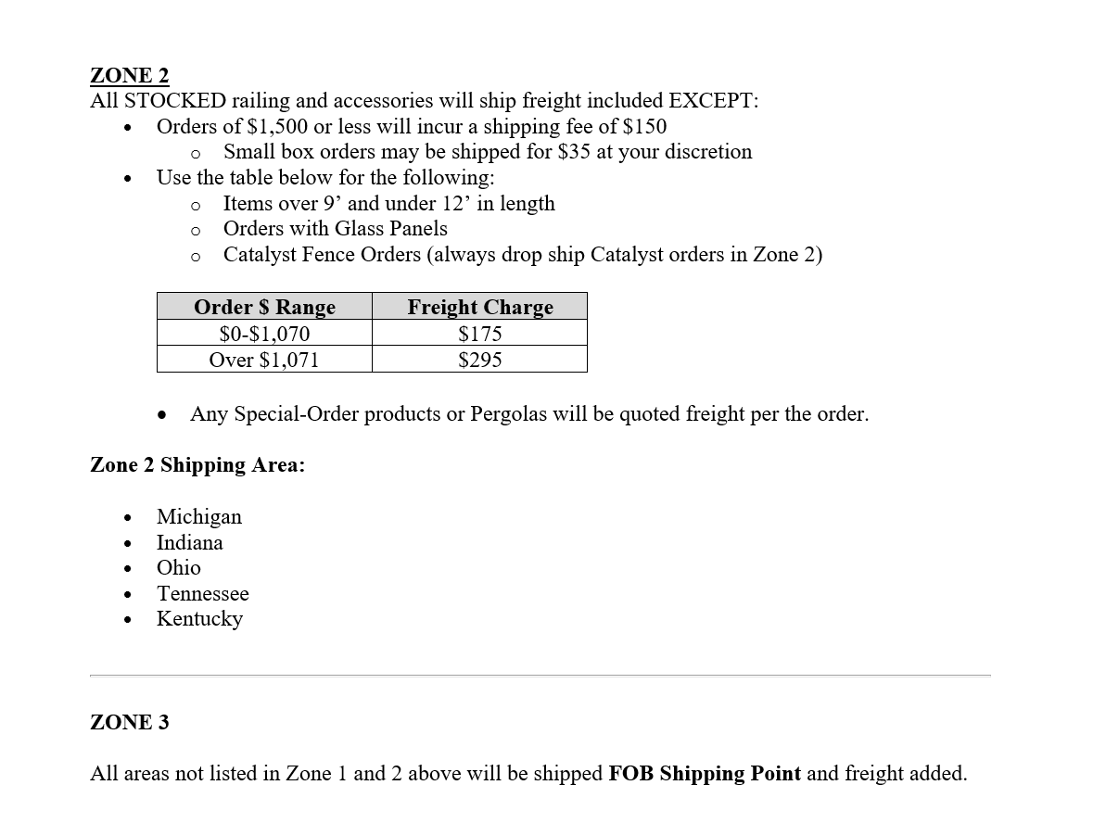
FREIGHT SCHEDULE

JAM Advantage Picket
2026 Price Book
ADVANTAGE SQUARE BALUSTER RAILING
Return to Index
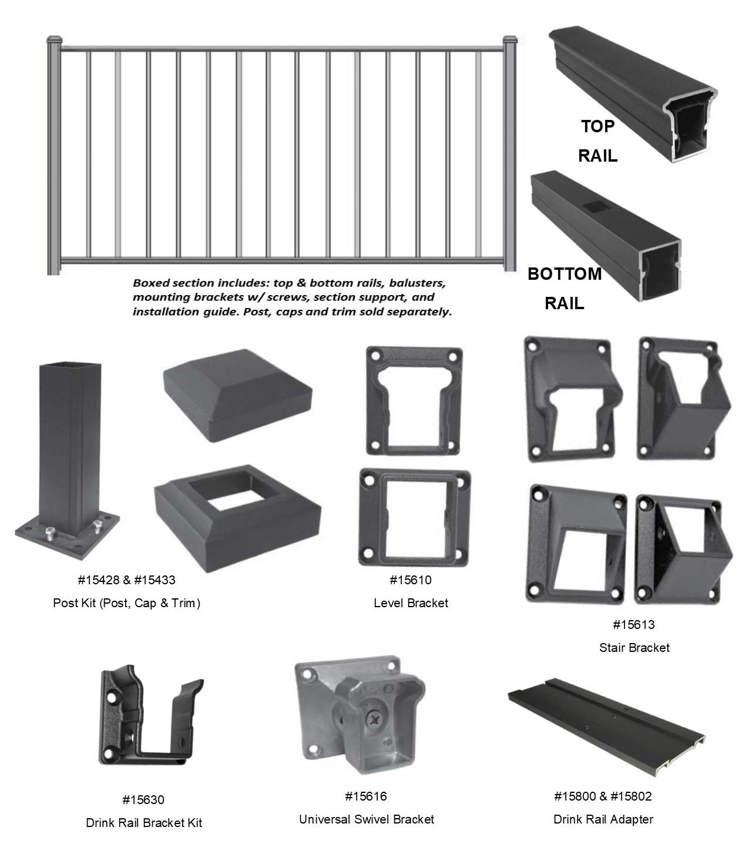

COLORS: Textured Black (TBL), Textured Bronze (TBZ), Textured White (TWH) **Two Tone Railing Available - Add 18%**
ITEM # | ALUMINUM RAILING LEVEL KITS | TBL | TBZ | TWH
15100 | Advantage Level Rail Kit - 36"x5' | 284.75 | 284.75 | 284.75
15103 | Advantage Level Rail Kit - 36"x6' | 331.86 | 331.86 | 331.86
15106 | Advantage Level Rail Kit - 36"x7' | 385.93 | 385.93 | 385.93
15109 | Advantage Level Rail Kit - 36"x8' | 426.50 | 426.50 | 426.50
15133 | Advantage Level Rail Kit - 42"x6' | 365.05 | 397.28 | 397.28
ITEM # | ALUMINUM RAILING STAIR KITS | TBL | TBZ | TWH
15115 | Advantage Stair Rail Kit - 36"x6' | 331.86 | 331.86 | 331.86
15118 | Advantage Stair Rail Kit - 36"x8' | 426.50 | 426.50 | 426.50
ITEM # | POSTS & ACCESSORIES | TBL | TBZ | TWH
15428 | Advantage 2½"x38" Residential Post Kit With Cap and Trim | 125.74 | 125.74 | 125.74
15433 | Advantage 2½"x44" Residential Post Kit With Cap and Trim | 133.48 | 133.48 | 133.48
15449 | Advantage 3½"x38" Heavy Wall Post Kit With Cap and Trim | 198.81 | 198.81 | 198.81
15452 | Advantage 3½"x44" Heavy Wall Post Kit With Cap and Trim | 216.13 | 216.13 | 216.13
15454 | Structural Post 3½"x108" (w/ Mounting Brackets) | 363.52 | 363.52 | 363.52
15455 | Structural Post 3½"x120" (w/ Mounting Brackets) - OVERSIZED | 363.52 | 363.52 | 363.52
15470 | Post - No Plate with Cap - 2½"x50" | 110.59 | 120.34 | 120.34
15827 | Fascia Mount Bracket - Line - 2½" | 84.46 | 84.46 | 84.46
15828 | Fascia Mount Bracket - Corner - 2½" | 107.63 | 107.63 | 107.63
15478 | Post Wrap - 4 Piece - 6"x108" | 401.81 | 401.81 | 401.81
15480 | Post Wrap - 4 Piece - 6"x120" - OVERSIZED | 401.81 | 401.81 | 401.81
15475 | Bistro Post w/ Plate - 2½"x96" | 271.45 | 271.45 | 271.45
15710 | Post Cap - Flat - 2½" | 10.22 | 10.22 | 10.22
15713 | Post Cap - Flat - 3½" | 13.88 | 13.88 | 13.88
15750 | Post Trim - 2½" | 18.32 | 18.32 | 18.32
15753 | Post Trim - 3½" | 30.03 | 30.03 | 30.03
15770 | Post Trim - 6" - 2 Piece | 72.26 | 72.26 | 72.26
39148 | Advantage #10x2" Screws - 100 Count | 87.64 | 87.64 | 87.64
39149 | Advantage #10x2" Screws - 25 Count | 24.80 | 24.80 | 24.80
39410 | Concrete - GRK Post Screw - 19/64" x 3½" - Bag of 24 | 58.75 | - | -
39439 | Wood Pro Screw - 5/16"x 4" - Box of 25 | 19.21 | - | -
39442 | Wood Pro Screw - 5/16"x 4" - Box of 250 | 141.57 | - | -
ITEM # | ACCESSORIES | TBL | TBZ | TWH
15610 | Advantage Rail Bracket Pack - Level - 4 pc | 62.83 | 62.83 | 62.83
15613 | Advantage Rail Bracket Pack - Stair - 4 pc | 71.64 | 71.64 | 71.64
15616 | Advantage Universal Swivel Rail Bracket Pack - 4 pc | 120.07 | 120.07 | 120.07
15630 | Advantage Drink Rail Bracket Pack - Level - 2 pc | 37.29 | 37.29 | 37.29
15800 | Advantage Drink Rail Adapter - 6' | 96.07 | 96.07 | 96.07
15802 | Advantage Drink Rail Adapter - 8' | 117.42 | 117.42 | 117.42
15804 | Advantage Drink Rail Cap - 9' | 172.03 | 172.03 | 172.03
15805 | Advantage Drink Rail End Cap | 31.32 | 31.32 | 31.32
15820 | Advantage Rail - Foot Block | 9.09 | 9.09 | 9.09
15810 | Advantage Cross Over Bracket Adapter - 2½" | 124.66 | 124.66 | 124.66
15830 | Advantage Touch Up Paint - 4.5oz | 29.66 | 29.66 | 29.66
ITEM # | GATES & HARDWARE | TBL | TBZ | TWH
15350 | Advantage Gate Kit - 36"x48" | 438.60 | 438.60 | 438.60
35315 | Nationwide Self-Close Adjustable Hinge Pair | 89.67 | - | -
35380 | Keystone 1-Sided External Mount Nylon Latch | 49.32 | - | -

JAM Advantage Horizontal Cable
2026 Price Book
ADVANTAGE HORIZONTAL CABLE RAILING
Return to Index
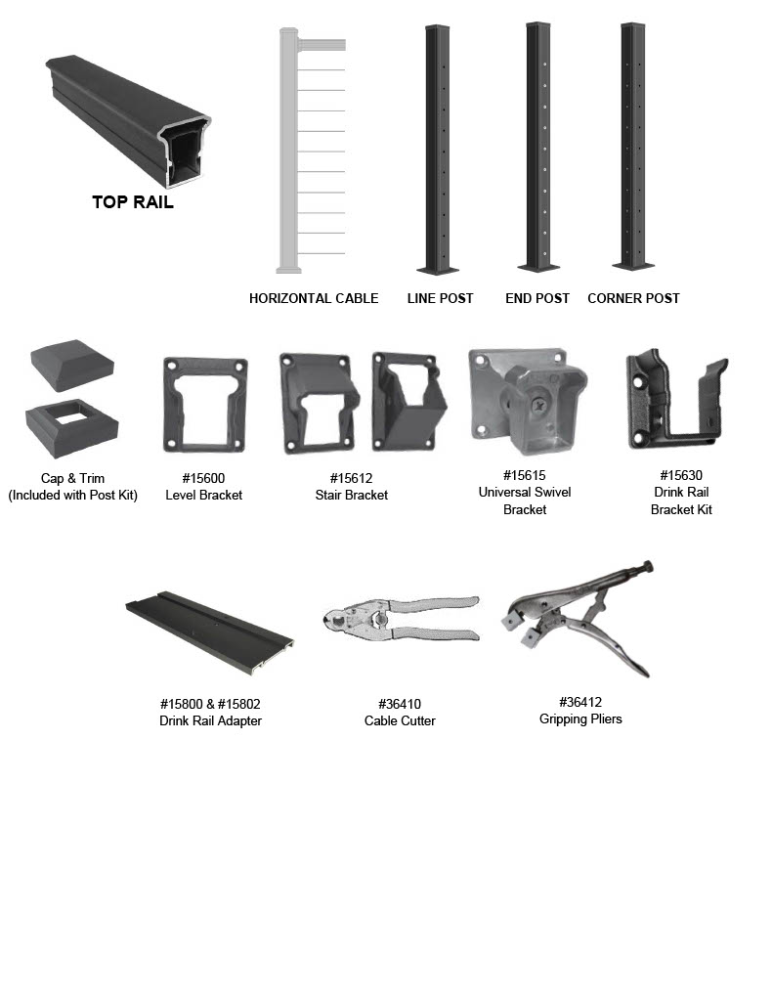

COLORS: Textured Black (TBL), Textured Bronze (TBZ), Textured White (TWH)
ITEM # | ALUMINUM RAILING LEVEL KITS | TBL | TBZ | TWH
15210 | Advantage - Horizontal Cable - Level Rail Kit - 36"x6' | 152.67 | 152.67 | 152.67
15213 | Advantage - Horizontal Cable - Level Rail Kit - 36"x8' | 199.36 | 199.36 | 199.36
15270 | Advantage - Fascia Mt Horiz Cable - Level Rail Kit - 36"x4' (2 sections) | 257.53 | 257.53 | 257.53
ITEM # | ALUMINUM RAILING STAIR KITS | TBL | TBZ | TWH
15218 | Advantage - Horizontal Cable - Stair Rail Kit - 36"x6' | 152.67 | 152.67 | 152.67
15221 | Advantage - Horizontal Cable - Stair Rail Kit - 36"x8' | 199.36 | 199.36 | 199.36
15275 | Advantage - Fascia Mt Horiz Cable - Stair Rail Kit - 36"x4' (2 sections) | 257.53 | 257.53 | 257.53
ITEM # | POSTS & ACCESSORIES | TBL | TBZ | TWH
15510 | Cable Level End Post Kit (w/Cap & Trim) - 2½"x38" | 756.91 | 756.91 | 756.91
15511 | Cable Level Corner Post Kit (w/Cap & Trim) - 2½"x38" | 184.11 | 184.11 | 184.11
15512 | Cable Level Line Post Kit (w/Cap & Trim) - 2½"x38" | 184.11 | 184.11 | 184.11
15515 | Cable Stair End Post Kit (w/Cap & Trim) - 2½"x41" | 756.91 | 756.91 | 756.91
15516 | Cable Stair Line Post Kit (w/Cap & Trim) - 2½"x41" | 184.11 | 184.11 | 184.11
15827 | Fascia Mount Bracket - Line - 2½" | 84.46 | 84.46 | 84.46
15828 | Fascia Mount Bracket - Corner - 2½" | 107.63 | 107.63 | 107.63
15550 | Fascia Mount Cable End Post Kit - 2½"x50" | 818.64 | 818.64 | 818.64
15551 | Fascia Mount Cable Corner Post Kit - 2½"x50" | 161.37 | 161.37 | 161.37
15552 | Fascia Mount Cable Line Post Kit - 2½"x50" | 161.37 | 161.37 | 161.37
15555 | Fascia Mount Cable Stair Line Post Kit - 2½"x50" | 161.37 | 161.37 | 161.37
39148 | Advantage #10x2" Screws - 100 Count | 87.64 | 87.64 | 87.64
39149 | Advantage #10x2" Screws - 25 Count | 24.80 | 24.80 | 24.80
39410 | Concrete - GRK Post Screw - 19/64" x 3½" - Bag of 24 | 63.45 | - | -
39439 | Wood Pro Screw - 5/16"x 4" - Box of 25 | 17.47 | - | -
39442 | Wood Pro Screw - 5/16"x 4" - Box of 250 | 131.08 | - | -
ITEM # | ACCESSORIES | TBL | TBZ | TWH
15600 | Advantage - Level Brackets - 2 Pk | 37.29 | 37.29 | 37.29
15612 | Advantage - Stair Brackets - 2 Pk | 49.97 | 49.97 | 49.97
15615 | Advantage - Universal Swivel Brackets - 2 Pk | 73.47 | 73.47 | 73.47
15630 | Advantage Drink Rail Bracket Pack - Level - 2 pc | 37.29 | 37.29 | 37.29
15800 | Advantage Drink Rail Adapter - 6' | 96.07 | 96.07 | 96.07
15802 | Advantage Drink Rail Adapter - 8' | 117.42 | 117.42 | 117.42
15804 | Advantage Drink Rail Cap - 9' | 172.03 | 172.03 | 172.03
15805 | Advantage Drink Rail End Cap | 31.32 | 31.32 | 31.32
15810 | Advantage Cross Over Bracket Adapter - 2½" | 124.66 | 124.66 | 124.66
15830 | Advantage Touch Up Paint - 4.5oz | 29.66 | 29.66 | 29.66
ITEM # | GATES & HARDWARE | TBL | TBZ | TWH
15370 | Advantage - Horizontal Cable Gate - 36"x48' - REQUIRES CABLE | 1,649.20 | 1,649.20 | 1,649.20
35315 | Nationwide Self-Close Adjustable Hinge Pair | 89.67 | - | -
35380 | Keystone 1-Sided External Mount Nylon Latch | 49.32 | - | -
ITEM # | CABLE & TOOLS | N/A | TBZ | TWH
18470 | Cable Roll (1/8") - 100 FT | 135.81 | - | -
18470-B | Cable Roll (1/8") - 100 FT - Black | 277.15
18471 | Cable Roll (1/8") - 250 FT | 302.69 | - | -
18471-B | Cable Roll (1/8") - 250 FT - Black | 603.46
18472 | Cable Roll (1/8") - 500 FT | 560.26 | - | -
18472-B | Cable Roll (1/8") - 500 FT - Black | 1,162.22
36410 | Felco C7 Cable Cutter | 166.70 | - | -
36412 | Cable Gripping Pliers | 80.04 | - | -
36420 | Loos PT-1 Cable Tension Gauge | 270.89 | - | -
36421 | External Cable Fitting Install Kit | 31.16
36422 | Advantage Cable Installation Kit | 75.88 | - | -
36430 | Cable Threading Needle | 8.00 | - | -
36431 | Cable Corner Threading Needle | 40.34 | - | -
36432 | 3/16" Cable Allen Wrench | 2.01 | - | -
36441 | Cable Rust & Corrosion Protection Boeshield T-9 (4 oz. Bottle) | 25.61 | - | -
36450 | Advantage Cable Tensioner Fitting (Stud & Jaw Only) - 2 Pack | 24.01
36451 | Advantage Cable Tensioner Fitting - 1 Set | 60.73 | - | -

JAM VertiRod
ADVANTAGE VERTIROD RAILING
2026 Price Book
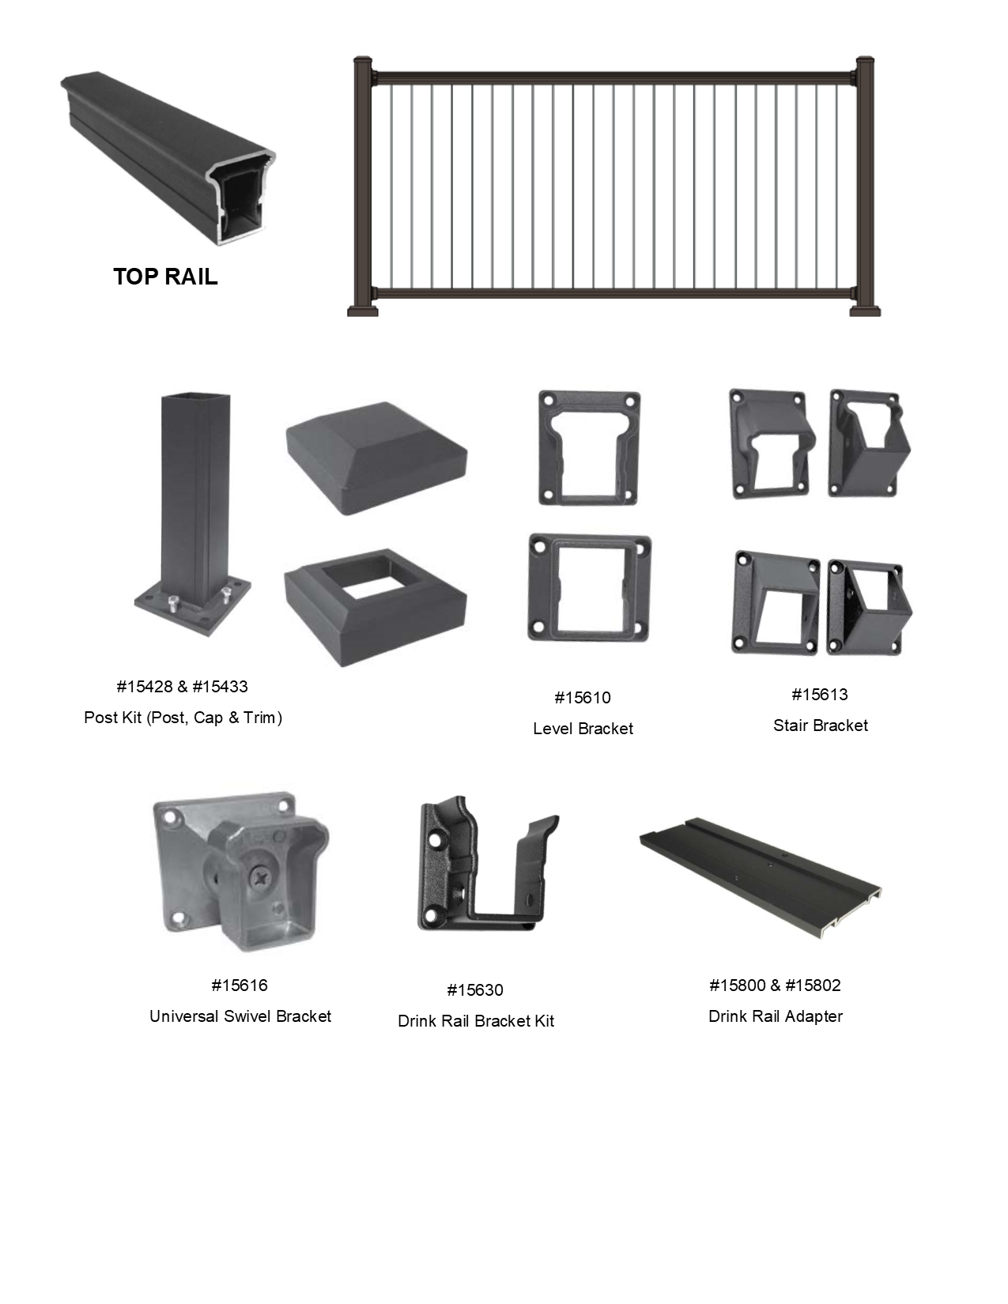

COLORS: Textured Black (TBL), Textured Bronze (TBZ), Textured White (TWH) Stainless Steel (SS)
ITEM # | ALUMINUM RAILING LEVEL KITS | SS | TBL | TBZ | TWH
15165 | Advantage VertiRod - Level Rail Kit - 36"x6' - Requires 23 Rods |  | 225.60 | 225.60 | 225.60
15185 | Advantage VertiRod Rod Pack - 23 Rods | 298.44 | 410.01 | 410.01 | 410.01
15167 | Advantage VertiRod - Level Rail Kit - 36"x8' - Requires 31 Rods |  | 287.92 | 287.92 | 287.92
15187 | Advantage VertiRod Rod Pack - 31 Rods | 402.24 | 552.61 | 552.61 | 552.61
ITEM # | ALUMINUM RAILING STAIR KITS | SS | TBL | TBZ | TWH
15170 | Advantage VertiRod - Stair Rail Kit - 36"x6' - Requires 18 Rods |  | 225.60 | 225.60 | 225.60
15190 | Advantage VertiRod Rod Pack - 18 Rods | 233.56 | 320.87 | 320.87 | 320.87
15172 | Advantage VertiRod - Stair Rail Kit - 36"x8' - Requires 24 Rods |  | 287.92 | 287.92 | 287.92
15192 | Advantage VertiRod Rod Pack - 24 Rods | 311.42 | 427.83 | 427.83 | 427.83
ITEM # | POSTS & ACCESSORIES |  | TBL | TBZ | TWH
15428 | Advantage 2½"x38" Residential Post Kit With Cap and Trim |  | 125.74 | 125.74 | 125.74
15433 | Advantage 2½"x44" Residential Post Kit With Cap and Trim |  | 133.48 | 133.48 | 133.48
15449 | Advantage 3½"x38" Heavy Wall Post Kit With Cap and Trim |  | 198.81 | 198.81 | 198.81
15452 | Advantage 3½"x44" Heavy Wall Post Kit With Cap and Trim |  | 216.13 | 216.13 | 216.13
15454 | Structural Post 3½"x108" (w/ Mounting Brackets) |  | 363.52 | 363.52 | 363.52
15455 | Structural Post 3½"x120" (w/ Mounting Brackets) - OVERSIZED |  | 363.52 | 363.52 | 363.52
15470 | Post - No Plate with Cap - 2½"x50" |  | 110.59 | 120.34 | 120.34
15827 | Fascia Mount Bracket - Line - 2½" |  | 84.46 | 84.46 | 84.46
15828 | Fascia Mount Bracket - Corner - 2½" |  | 107.63 | 107.63 | 107.63
15478 | Post Wrap - 4 Piece - 6"x108" |  | 401.81 | 401.81 | 401.81
15480 | Post Wrap - 4 Piece - 6"x120" - OVERSIZED |  | 401.81 | 401.81 | 401.81
15475 | Bistro Post w/ Plate - 2½"x96" |  | 271.45 | 271.45 | 271.45
15710 | Post Cap - Flat - 2½" |  | 10.22 | 10.22 | 10.22
15713 | Post Cap - Flat - 3½" |  | 13.88 | 13.88 | 13.88
15750 | Post Trim - 2½" |  | 18.32 | 18.32 | 18.32
15753 | Post Trim - 3½" |  | 30.03 | 30.03 | 30.03
15770 | Post Trim - 6" - 2 Piece |  | 72.26 | 72.26 | 72.26
39148 | Advantage #10x2" Screws - 100 Count |  | 87.64 | 87.64 | 87.64
39149 | Advantage #10x2" Screws - 25 Count |  | 24.80 | 24.80 | 24.80
39410 | Concrete - GRK Post Screw - 19/64" x 3½" - Bag of 24 |  | 58.75 | - | -
39439 | Wood Pro Screw - 5/16"x 4" - Box of 25 |  | 19.21 | - | -
39442 | Wood Pro Screw - 5/16"x 4" - Box of 250 |  | 141.57 | - | -
ITEM # | ACCESSORIES |  | TBL | TBZ | TWH
15610 | Advantage Rail Bracket Pack - Level - 4 pc |  | 62.83 | 62.83 | 62.83
15613 | Advantage Rail Bracket Pack - Stair - 4 pc |  | 71.64 | 71.64 | 71.64
15616 | Advantage Universal Swivel Rail Bracket Pack - 4 pc |  | 120.07 | 120.07 | 120.07
15630 | Advantage Drink Rail Bracket Pack - Level - 2 pc |  | 37.29 | 37.29 | 37.29
15800 | Advantage Drink Rail Adapter - 6' |  | 96.07 | 96.07 | 96.07
15802 | Advantage Drink Rail Adapter - 8' |  | 117.42 | 117.42 | 117.42
15804 | Advantage Drink Rail Cap - 9' |  | 172.03 | 172.03 | 172.03
15805 | Advantage Drink Rail End Cap |  | 31.32 | 31.32 | 31.32
15820 | Advantage Rail - Foot Block |  | 9.09 | 9.09 | 9.09
15810 | Advantage Cross Over Bracket Adapter - 2½" |  | 124.66 | 124.66 | 124.66
15830 | Advantage Touch Up Paint - 4.5oz |  | 29.66 | 29.66 | 29.66
ITEM # | GATES & HARDWARE |  | TBL | TBZ | TWH
15365 | Advantage VertiRod - Gate - Panel Only - 36"x48" - Requires for 14 Rods |  | 421.29 | 421.29 | 421.29
35315 | Nationwide Self-Close Adjustable Hinge Pair |  | 89.67 | - | -
35380 | Keystone 1-Sided External Mount Nylon Latch |  | 49.32 | - | -

Posts & Wraps
2026 Price Book
ALUMINUM POSTS & POST WRAPS
Return to Index
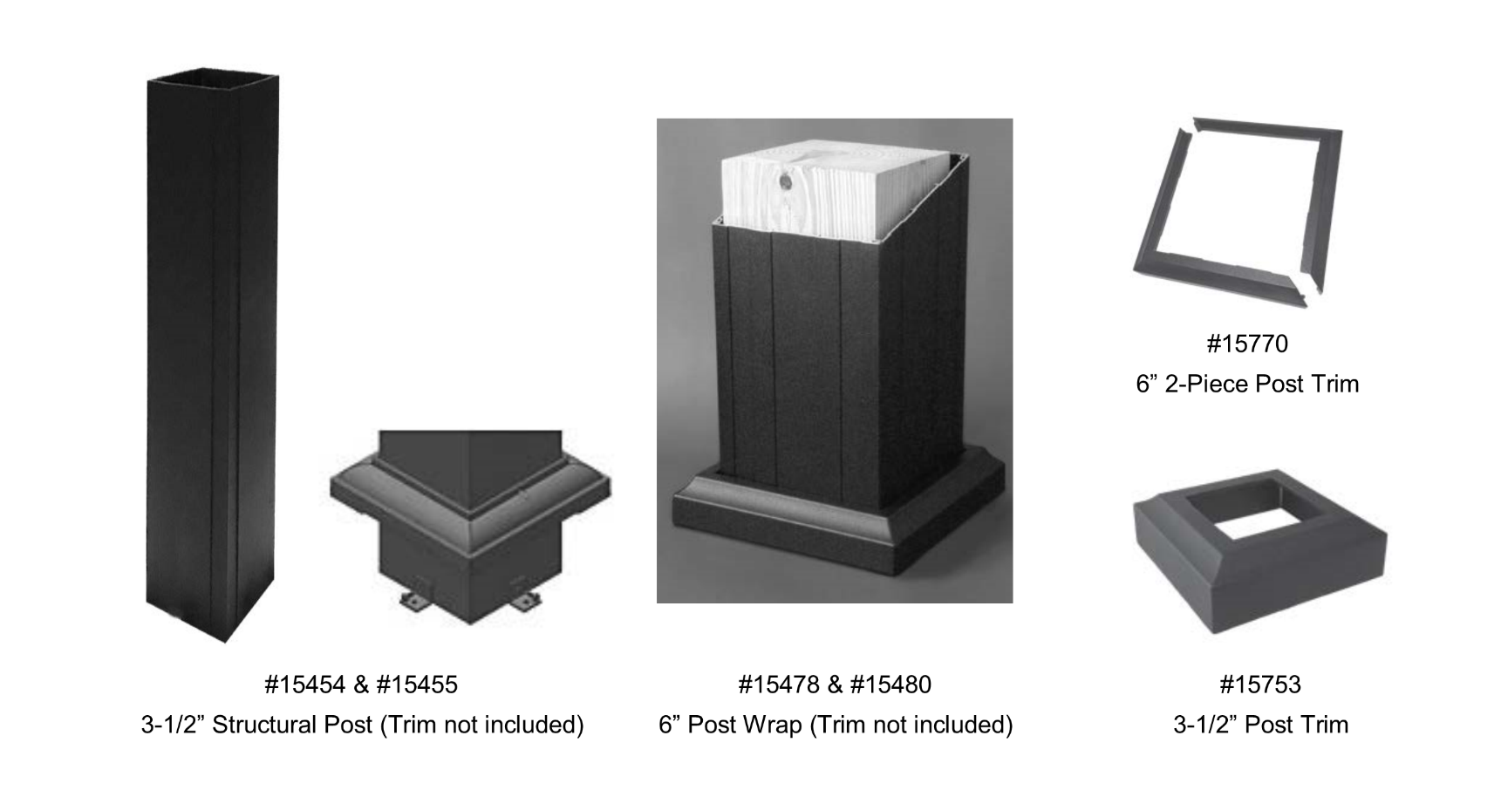

COLORS: Textured Black (TBL), Textured Bronze (TBZ), Textured White (TWH)
ITEM # | POSTS & POST WRAPS | TBL | TBZ | TWH
15454 | Structural Post 3½"x108" (w/ Mounting Brackets) | 363.52 | 363.52 | 363.52
15455 | Structural Post 3½"x120" (w/ Mounting Brackets) - OVERSIZED | 363.52 | 363.52 | 363.52
15475 | Bistro Post w/ Plate - 2½"x96" | 271.45 | 271.45 | 271.45
15478 | Post Wrap - 4 Piece - 6"x108" | 401.81 | 401.81 | 401.81
15480 | Post Wrap - 4 Piece - 6"x120" - OVERSIZED | 401.81 | 401.81 | 401.81
ITEM # | ACCESSORIES | TBL | TBZ | TWH
15753 | Post Trim - 3½" | 30.03 | 30.03 | 30.03
15770 | Post Trim - 6" - 2 Piece | 72.26 | 72.26 | 72.26
39410 | Concrete - GRK Post Screw - 19/64" x 3½" - Bag of 24 | 58.75 | - | -
39439 | Wood Pro Screw - 5/16"x 4" - Box of 25 | 19.21 | - | -
39442 | Wood Pro Screw - 5/16"x 4" - Box of 250 | 141.57 | - | -

Aluminum ADA
2026 Price Book
ALUMINUM SECONDARY HANDRAIL
Return to Index

COLORS: Textured Black (TBL), Textured Bronze (TBZ), Textured White (TWH) - (JAM COLORS)
ITEM # | 1-1/2" ROUND SECONDARY HANDRAIL | TBL | TBZ | TWH
37210 | Round Handrail - 1½"x8'8" | 109.66 | 109.66 | 109.66
37213 | Inline Splice with Collar | 16.22 | 16.22 | 16.22
37216 | External Universal Joiner | 99.06 | 99.06 | 99.06
37219 | Return Bracket - 90° | 35.91 | 35.91 | 35.91
37222 | Inline Mounting Bracket | 29.67 | 29.67 | 29.67
37225 | End Cap | 8.00 | 8.00 | 8.00
37231 | 180° P Loop Return | 75.23 | 75.23 | 75.23
37234 | 90° Elbow | 35.10 | 35.10 | 35.10
37237 | Inside Corner Bracket | 31.54 | 31.54 | 31.54

External Cable Fittings
EXTERNAL CABLE FITTINGS
Return to Index
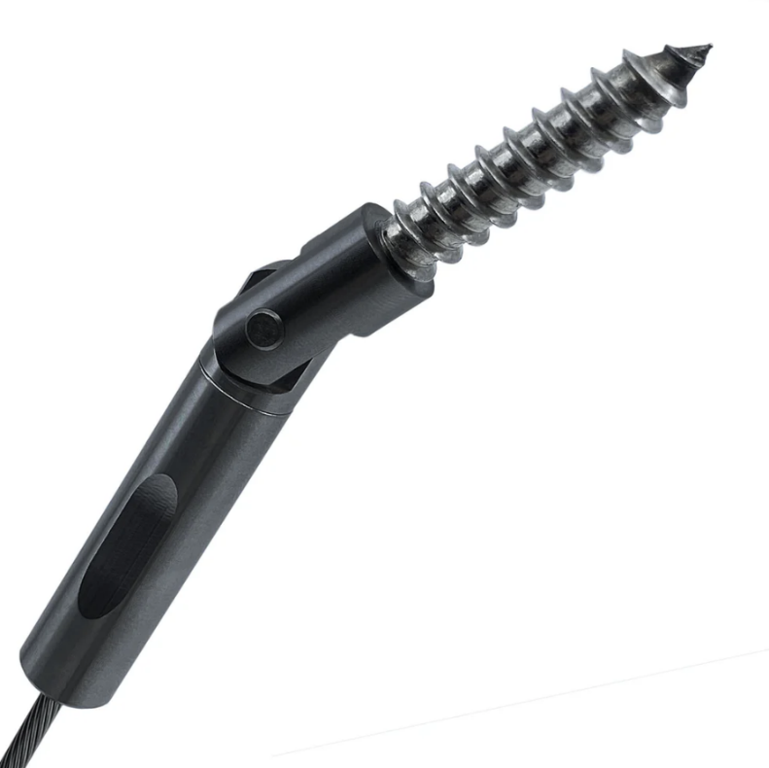 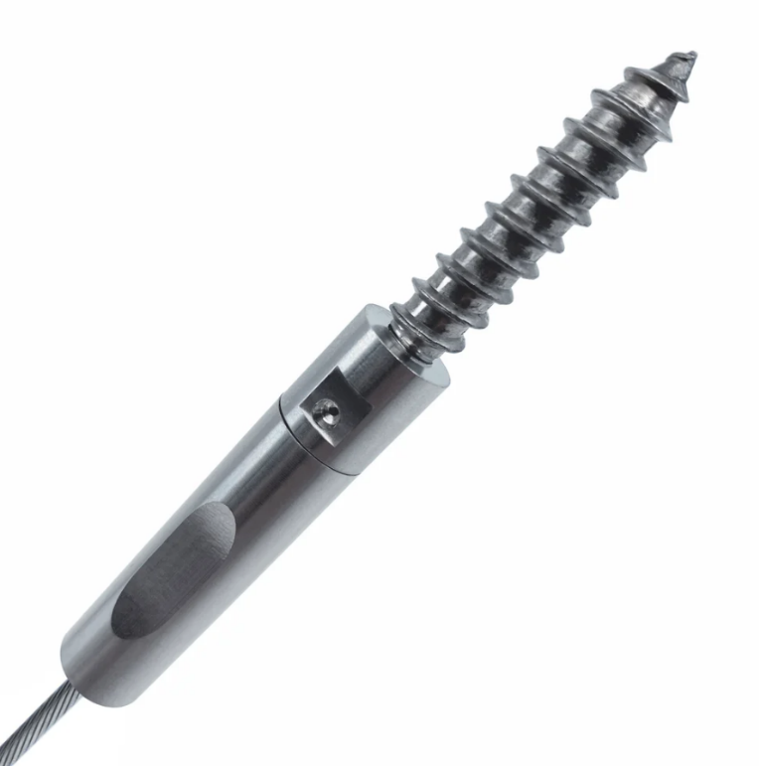
Stainless Steel or Black (Fittings) OR Textured Black, Textured Bronze, Textured White (Accessories)
ITEM # | EXTERNAL CABLE FITTINGS
15870-B | JAM External Cable Fitting with Lag - Level - 1 pc - Black | 112.80
15870-S | JAM External Cable Fitting with Lag - Level - 1 pc - Stainless | 85.36
15871-B | JAM External Cable Fitting with Lag - Level - 10 pc - Black | 1,127.92
15871-S | JAM External Cable Fitting with Lag - Level - 10 pc - Stainless | 853.61
15873-B | JAM External Cable Fitting with Lag - Stair - 1 pc - Black | 125.02
15873-S | JAM External Cable Fitting with Lag - Stair - 1 pc - Stainless | 98.71
15874-B | JAM External Cable Fitting with Lag - Stair - 10 pc - Black | 1,250.23
15874-S | JAM External Cable Fitting with Lag - Stair - 10 pc - Stainless | 976.78
ITEM # | ACCESSORIES | TBL,TBZ,TWH
18488 | Cable Support Mount - Level - Pair | 4.56
18489 | Cable Support Mount - Stair - Pair | 4.67
ITEM # | CABLE & TOOLS | N/A
18470 | Cable Roll (1/8") - 100 FT | 135.81
18470-B | Cable Roll (1/8") - 100 FT - Black | 277.15
18471 | Cable Roll (1/8") - 250 FT | 302.69
18471-B | Cable Roll (1/8") - 250 FT - Black | 603.46
18472 | Cable Roll (1/8") - 500 FT | 560.26
18472-B | Cable Roll (1/8") - 500 FT - Black | 1,162.22
36410 | Felco C7 Cable Cutter | 166.70
36412 | Cable Gripping Pliers | 80.04
36420 | Loos PT-1 Cable Tension Gauge | 270.89
36421 | JAM External Cable Fitting Install Kit | 31.16
36430 | Cable Threading Needle | 8.00
36432 | 3/16" Cable Allen Wrench | 2.01
36441 | Boeshield Cable Rust & Corrosion Protection T-9 (4 oz.) | 25.61

 |  | .

Regal Picket
2026 Price Book
REGAL PICKET RAILING
Return to Index
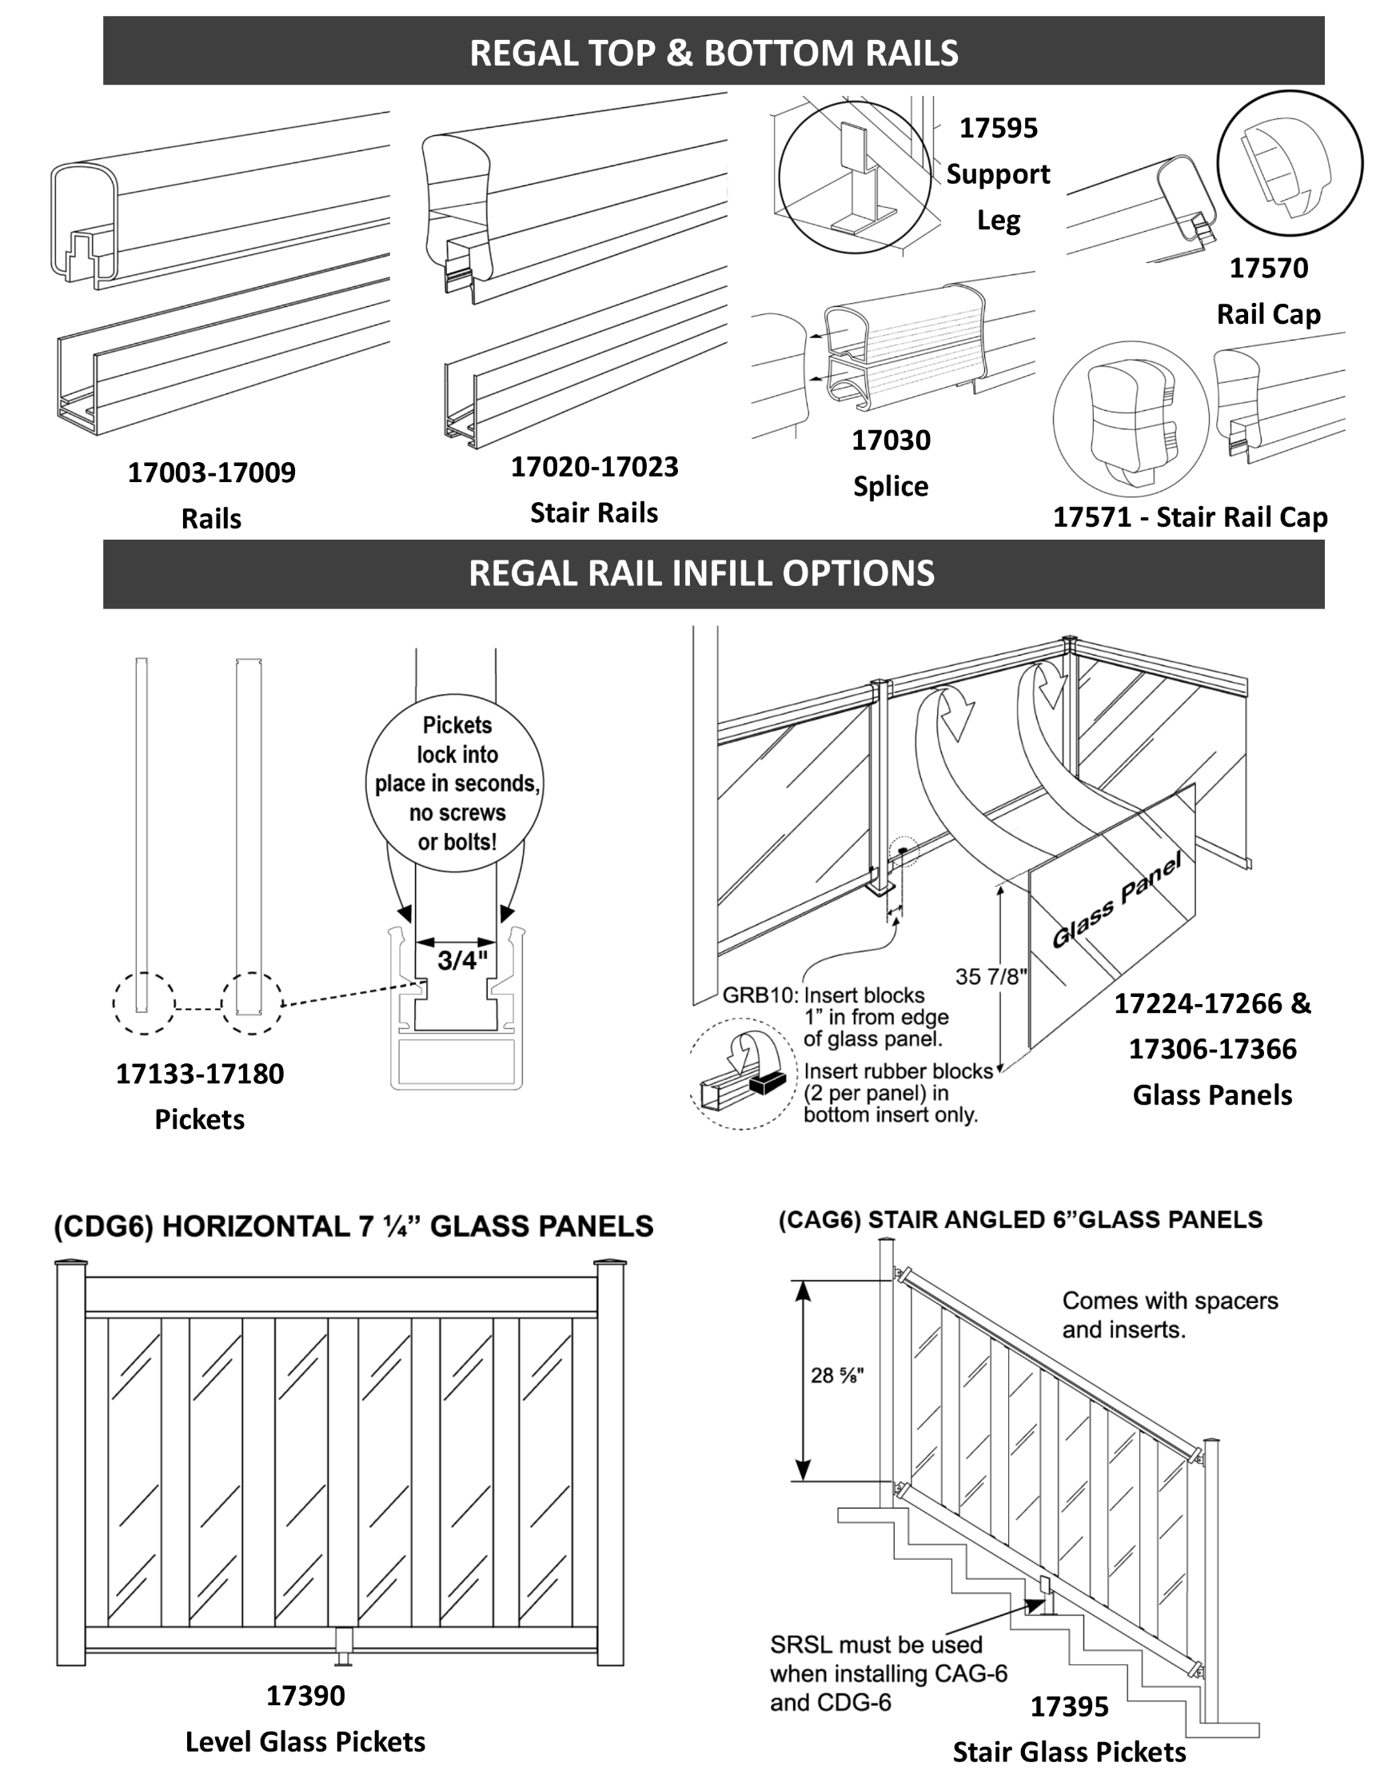

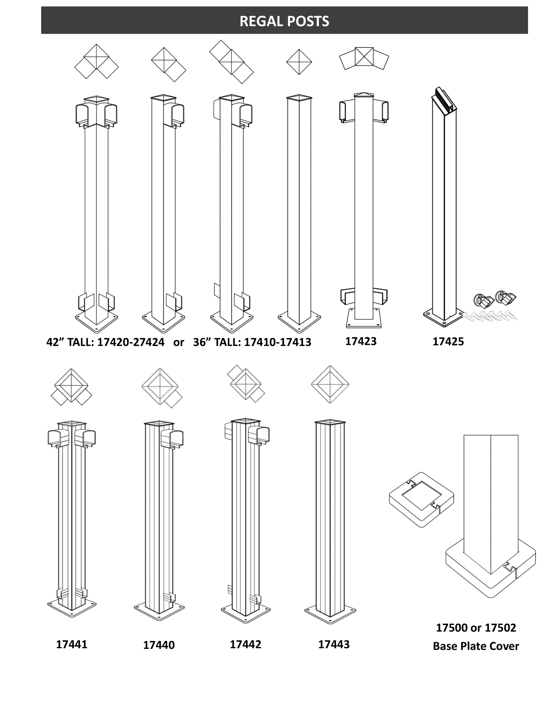

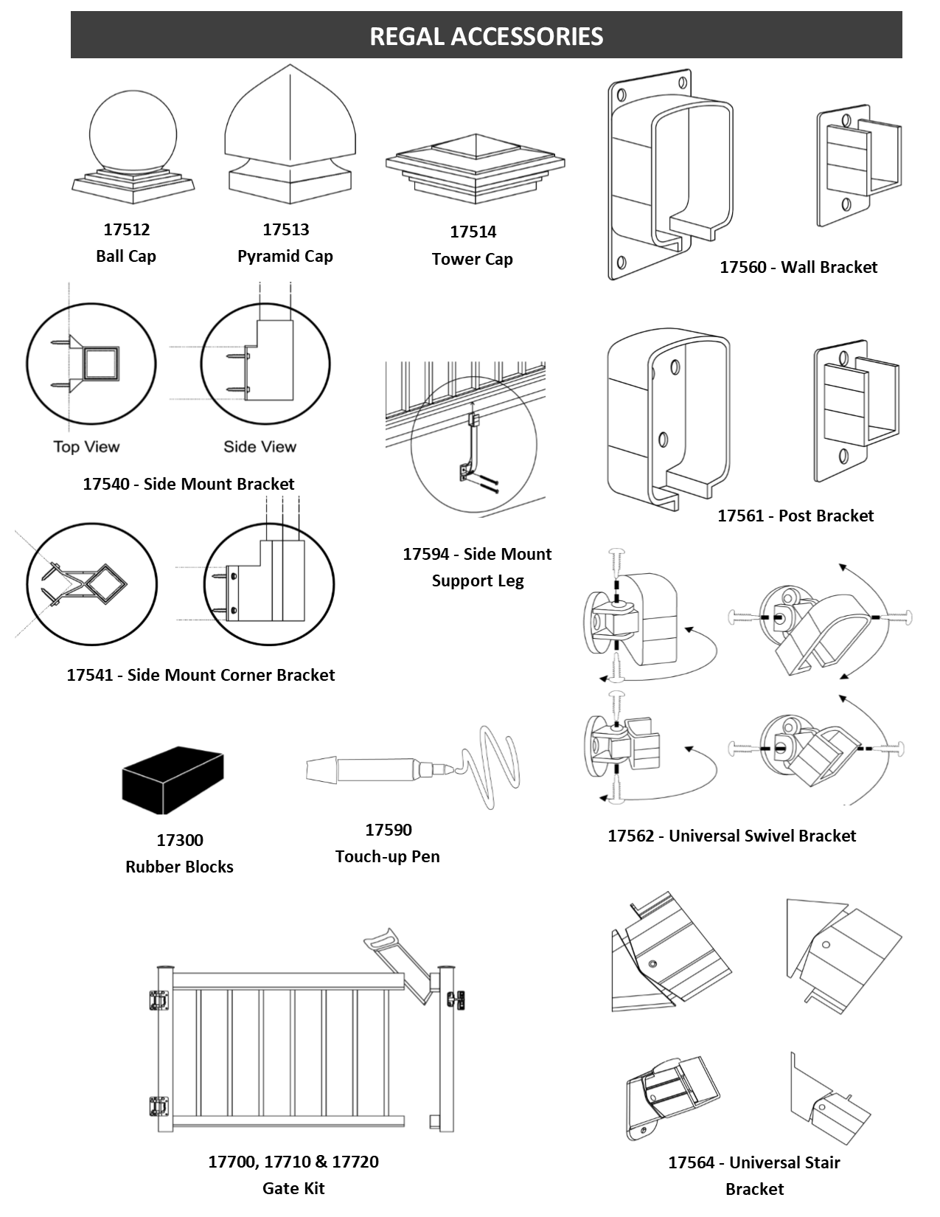

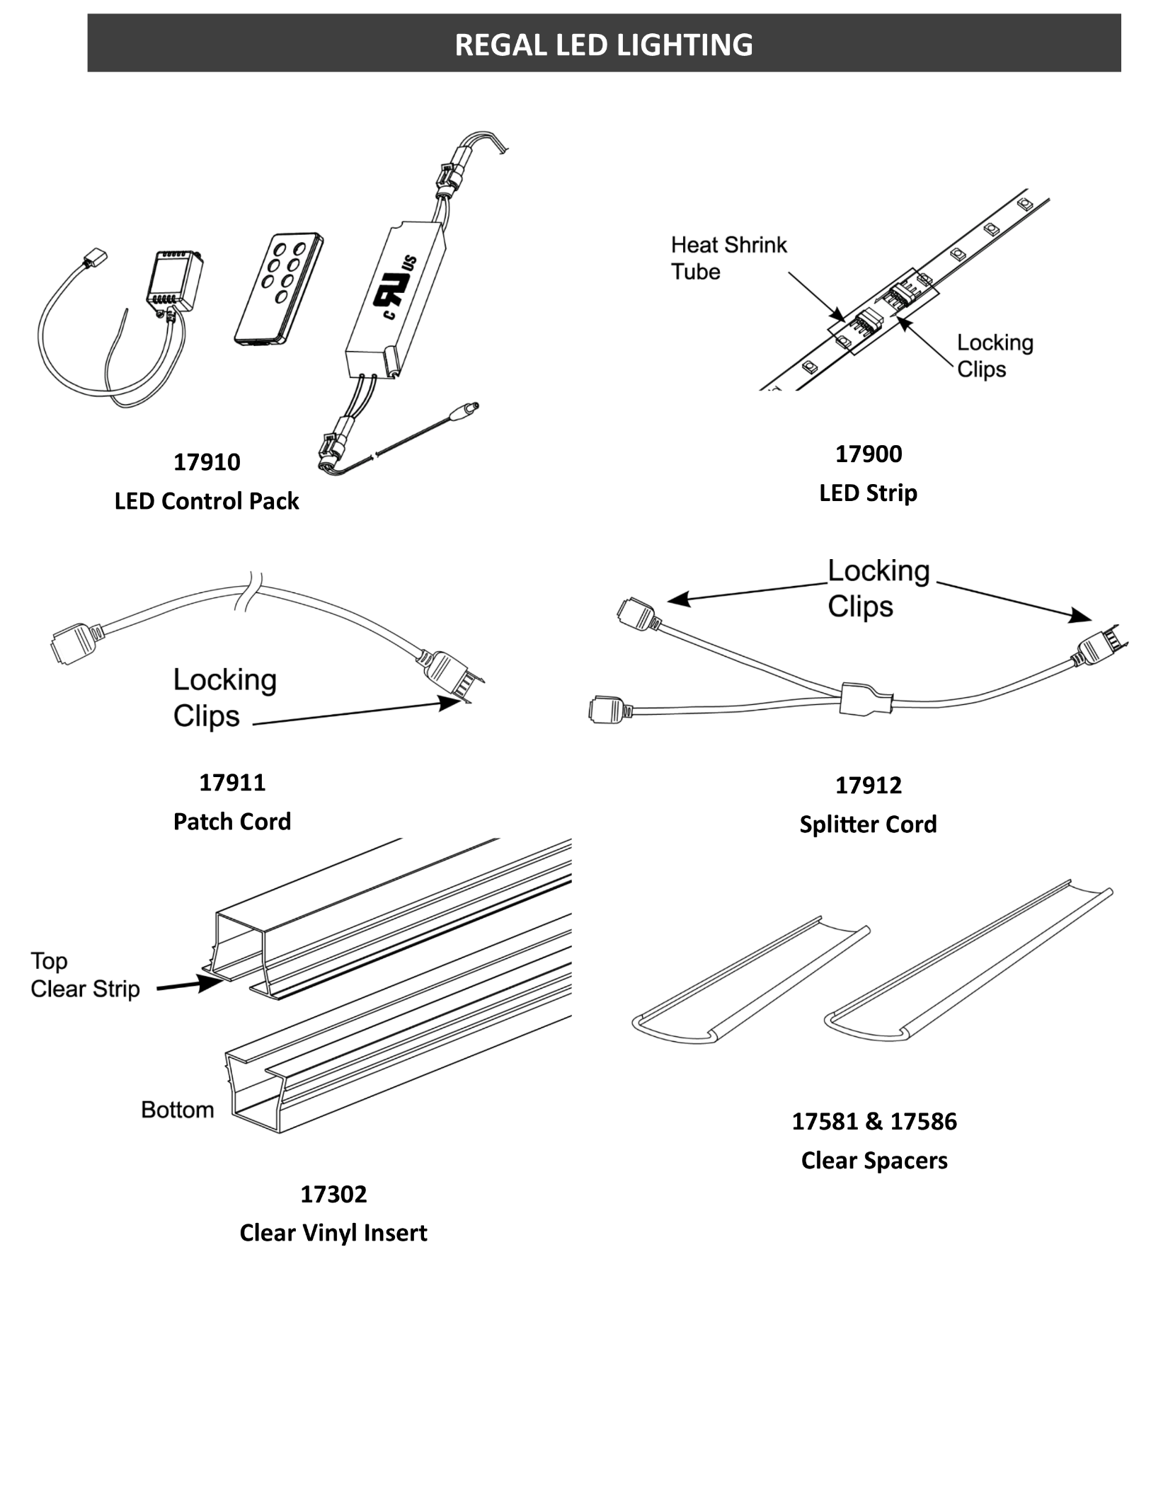

Regal - Textured Black (TBL), Yard Bronze (TBZ), Gloss White (GWH) (Windwall - Gloss Black (GBL), Gloss White (GWH))
ITEM # | REGAL ID | LEVEL RAIL PACKS
17003 | TBR-6 | Top and Bottom Rails - 6' | 194.33
17005 | TBR-8 | Top and Bottom Rails - 8' | 255.35
17007 | TBR-10 | Top and Bottom Rails - 10' | 319.21
17009 | TBR-12 | Top and Bottom Rails - 12' - OVERSIZED | 380.26
ITEM # | REGAL ID | STAIR RAIL PACKS
17020 | STBR-6 | Stair Top and Bottom Rails - 6' | 217.22
17021 | STBR-8 | Stair Top and Bottom Rails - 8' | 285.36
ITEM # | REGAL ID | LEVEL PICKET PACKS
17103 | SP36-6 | ¾" Straight Pickets - 36"x6' | 164.57
17133 | SP-6 | ¾" Straight Pickets - 42"x6' | 180.28
17135 | SP-8 | ¾" Straight Pickets - 42"x8' | 235.25
17137 | SP-10 | ¾" Straight Pickets - 42"x10' | 293.53
17160 | WP-3 | 1½" Straight Wide Pickets - 42"x3' | 113.45
17140 | WSP60-6 | Wind Wall ¾" Straight Pickets - 60"x6' (GBL & GWH only) | 288.63
ITEM # | REGAL ID | STAIR PICKET PACKS
17153 | SPS-6 | ¾" Straight Pickets - Stair - 36"x6' | 180.28
17180 | WPS-3 | 1½" Stair Wide Pickets - 36"x3' | 113.45
ITEM # | REGAL ID | POSTS
17410 | REP36 | End Post - 2¼"x36" | 100.52
17411 | RCP36 | Corner Post - 2¼"x36" | 100.52
17412 | RLP36 | Line Post - 2¼"x36" | 100.52
17413 | RSP36 | Stair Post - 2¼"x36" | 100.52
17420 | REP | End Post - 2¼"x42" | 110.14
17421 | RCP | Corner Post - 2¼"x42" | 110.14
17422 | RLP | Line Post - 2¼"x42" | 110.14
17423 | RP45 | 45° Angle Post - 2¼"x42" | 158.98
17424 | RSP | Stair Post - 2¼"x42" | 110.14
17425 | ILSP | In-Line Stair Post - 2¼"x36" | 128.41
17440 | RP4E | End Post - 4"x42" | 208.57
17441 | RP4C | Corner Post - 4"x42" | 208.57
17442 | RP4L | Line Post - 4"x42" | 208.57
17443 | RP4S | Stair Post - 4"x42" | 208.57
17430 | WREP | Wind Wall End Post - 2¼"x60" (GBL & GWH only) | 137.71
17431 | WRCP | Wind Wall Corner Post - 2¼"x60" (GBL & GWH only) | 137.71
17432 | WRLP | Wind Wall Line Post - 2¼"x60" (GBL & GWH only) | 137.71
ITEM # | REGAL ID | HANDRAIL ACCESSORIES
17570 | HRC | Hand Rail Cap | 20.17
17030 | STBR-CS | Stair Top and Bottom Rail Connecting Splice | 32.39
17571 | SHRC | End Cap for Top Stair Rail | 20.17
17594 | PSSL | Side Mount Support Leg | 21.58
17595 | SRSL | Support Leg | 12.24
17563 | HRB | Hand Rail Bracket | 41.35
ITEM # | REGAL ID | POST ACCESSORIES
17500 | BC | Base Plate Cover - 2¼" | 19.54
17502 | BC4 | Base Plate Cover - 4" | 38.56
17510 | PC | Standard Replacement 2¼" Post Cap | 9.06
17512 | DPC-B | Ball Cap - 2¼" | 21.12
17513 | DPC-P | Pyramid Cap - 2¼" | 27.13
17514 | DPC-T | Tower Cap - 2¼" | 23.64
17528 | GL-H8 | Glazelock Plastic Tapered Shims - 12 pack | 6.11
17540 | PSB | 2¼" Sidemount Post Bracket | 54.93
17541 | PSCB | 2¼" Sidemount Corner Post Bracket | 80.03
17530 | MP4 | 4" Aluminum Bolt-through Mounting Plate | 16.33
ITEM # | REGAL ID | ACCESSORIES & FASTENERS
17055 | RDR-TB | Drink Rail Adapater - 8' with Screws | 46.85
17560 | WB | Wall Bracket Set - (Top/Bottom) - (Req. 6-2½" Lags) | 40.13
17561 | PB | Post Bracket Set - (Top/Bottom) - (Req. 6-#10x3/4" OR 6-2½" Lags) | 40.13
17562 | UAB | Universal Angle Bracket Set - (Top/Bottom) - (Req. 6-#10x3/4" OR 6-2½" Lags) | 81.06
17564 | USB | Universal Stair Bracket Set - (Top/Bottom) - (Req. 8-#10x3/4") | 91.89
17580 | RS4-6 | 4" Spacers (6 Pk.) | 12.14
17585 | RS5 | 5" Stair Spacers | 3.34
17590 | TUP | Touch-Up Pen | 40.53
17620 | SCP-24 | 2½" Lag Screw | 24.76
17618 | MPSS24 | 5/16"x6" Self-Drilling Structural Screw (24 Pk.) | 121.15
17619 | MPSS4 | 5/16"x6" Self-Drilling Structural Screw (4 Pk.) | 20.34
17625 | S114 | #10x1¼" Self-Drilling Screw | 30.60
17626 | WCS-50 | #10x¾" Self-Drilling Screws | 37.66
39410 |  | Concrete - GRK Post Screw - 19/64" x 3½" - Bag of 24 | 70.50
39439 |  | Wood Pro Screw - 5/16" x 4" - Box of 25 | 20.96
39442 |  | Wood Pro Screw - 5/16" x 4" - Box of 250 | 157.30
ITEM # | REGAL ID | GATES & HARDWARE
17700 | ASGP36 | 36"x48" Gate - Straight ¾" Picket | 594.11
17710 | ASGP | 42"x48" Gate - Straight ¾" Picket | 651.37
17720 | WGP | 42"x48" Gate - Wide 1-9/16" Picket | 716.52
17730 | WPG60 | Wind Wall 60"x48" Gate - Straight ¾" Picket (GBL & GWH only) | 804.96
17751 | GHS | Self Closing Gate Hinge Set | 74.69
17752 | GL | Gate Latch | 64.10
ITEM # | REGAL ID | HANDRAIL LIGHTING | N/A
17900 | LED-L | LED Lighting Strip - 78" | 137.62
17910 | LED-C | LED Lighting Control Pack | 296.35
17911 | LED-PC | LED Patch Cord - 13' | 19.43
17912 | LED-T | LED Splitter Cord | 13.56
17581 | LED-P | Clear Picket Spacers for LED (15 Pk.) | 27.07
17586 | LED-SP | Clear Picket Stair Spacers for LED (13 Pk.) | 33.79

Regal Glass
2026 Price Book
REGAL GLASS RAILING
Return to Index
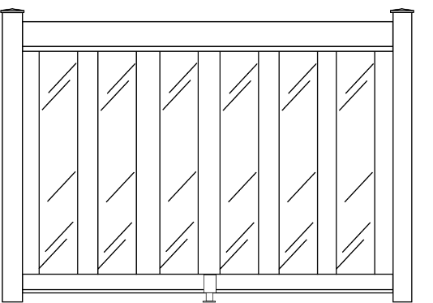 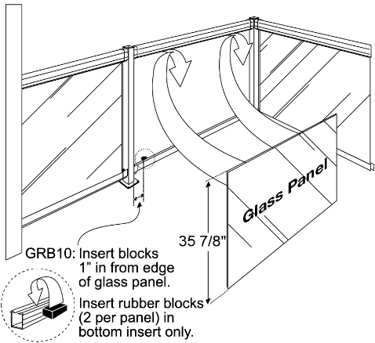

Textured Black (TBL), Yard Bronze (TBZ), Gloss White (GWH) (Windwall - Gloss Black (GBL), Gloss White (GWH))
ITEM # | REGAL ID | LEVEL RAIL PACKS
17003 | TBR-6 | Top and Bottom Rails - 6' | 194.33
17005 | TBR-8 | Top and Bottom Rails - 8' | 255.35
17007 | TBR-10 | Top and Bottom Rails - 10' | 319.21
17009 | TBR-12 | Top and Bottom Rails - 12' - OVERSIZED | 380.26
ITEM # | REGAL ID | STAIR RAIL PACKS
17020 | STBR-6 | Stair Top and Bottom Rails - 6' | 217.22
17021 | STBR-8 | Stair Top and Bottom Rails - 8' | 285.36
ITEM # | REGAL ID | TEMPERED GLASS PANELS FOR 36" HIGH RAILING | GLASS
17224 | CG36-24 | 29 ⅞"x24"x¼" Glass Panel | 109.61
17230 | CG36-30 | 29 ⅞"x30"x¼" Glass Panel | 137.02
17236 | CG36-36 | 29 ⅞"x36"x¼" Glass Panel | 164.44
17242 | CG36-42 | 29 ⅞"x42"x¼" Glass Panel | 191.80
17248 | CG36-48 | 29 ⅞"x48"x¼" Glass Panel | 219.22
17254 | CG36-54 | 29 ⅞"x54"x¼" Glass Panel | 246.60
17260 | CG36-60 | 29 ⅞"x60"x¼" Glass Panel | 274.02
17266 | CG36-66 | 29 ⅞"x66"x¼" Glass Panel | 301.44
ITEM # | REGAL ID | TEMPERED GLASS PANELS FOR 42" HIGH RAILING | GLASS
17390 | CDG-6 | 7 ¼" Clear Glass Panels for 6' Level Section | 281.71
17306 | CTG-6 | 35 ⅞"x6"x¼" Glass Panel | 120.14
17309 | CTG-9 | 35 ⅞"x9"x¼" Glass Panel | 120.14
17312 | CTG-12 | 35 ⅞"x12"x¼" Glass Panel | 120.14
17315 | CTG-15 | 35 ⅞"x15"x¼" Glass Panel | 120.14
17318 | CTG-18 | 35 ⅞"x18"x¼" Glass Panel | 120.14
17321 | CTG-21 | 35 ⅞"x21"x¼" Glass Panel | 120.14
17324 | CTG-24 | 35 ⅞"x24"x¼" Glass Panel | 120.14
17327 | CTG-27 | 35 ⅞"x27"x¼" Glass Panel | 150.14
17330 | CTG-30 | 35 ⅞"x30"x¼" Glass Panel | 150.14
17333 | CTG-33 | 35 ⅞"x33"x¼" Glass Panel | 180.21
17336 | CTG-36 | 35 ⅞"x36"x¼" Glass Panel | 180.21
17339 | CTG-39 | 35 ⅞"x39"x¼" Glass Panel | 210.23
17342 | CTG-42 | 35 ⅞"x42"x¼" Glass Panel | 210.23
17345 | CTG-45 | 35 ⅞"x45"x¼" Glass Panel | 240.23
17348 | CTG-48 | 35 ⅞"x48"x¼" Glass Panel | 240.23
17351 | CTG-51 | 35 ⅞"x51"x¼" Glass Panel | 270.38
17354 | CTG-54 | 35 ⅞"x54"x¼" Glass Panel | 270.38
17357 | CTG-57 | 35 ⅞"x57"x¼" Glass Panel | 300.35
17360 | CTG-60 | 35 ⅞"x60"x¼" Glass Panel | 300.35
17363 | CTG-63 | 35 ⅞"x63"x¼" Glass Panel | 330.45
17366 | CTG-66 | 35 ⅞"x66"x¼" Glass Panel | 330.45
ITEM # | REGAL ID | TEMPERED GLASS PANELS FOR 60" HIGH RAILING | GLASS
17370 | CTWG-31 | 53 ⅞"x31"x¼" Wind Wall Glass | 253.95
17382 | CTWG-43 | 53 ⅞"x43"x¼" Wind Wall Glass | 333.48
ITEM # | REGAL ID | STAIR TEMPERED GLASS PANELS | GLASS
17395 | CAG-6 | 6" Clear Angled Glass Panels for 6' Stair Section | 213.82
ITEM # | REGAL ID | POSTS
17410 | REP36 | End Post - 2¼"x36" | 100.52
17411 | RCP36 | Corner Post - 2¼"x36" | 100.52
17412 | RLP36 | Line Post - 2¼"x36" | 100.52
17413 | RSP36 | Stair Post - 2¼"x36" | 100.52
17420 | REP | End Post - 2¼"x42" | 110.14
17421 | RCP | Corner Post - 2¼"x42" | 110.14
17422 | RLP | Line Post - 2¼"x42" | 110.14
17423 | RP45 | 45° Angle Post - 2¼"x42" | 158.98
17424 | RSP | Stair Post - 2¼"x42" | 110.14
17425 | ILSP | In-Line Stair Post - 2¼"x36" | 128.41
17440 | RP4E | End Post - 4"x42" | 208.57
17441 | RP4C | Corner Post - 4"x42" | 208.57
17442 | RP4L | Line Post - 4"x42" | 208.57
17443 | RP4S | Stair Post - 4"x42" | 208.57
17430 | WREP | Wind Wall End Post - 2¼"x60" (GBL & GWH only) | 137.71
17431 | WRCP | Wind Wall Corner Post - 2¼"x60" (GBL & GWH only) | 137.71
17432 | WRLP | Wind Wall Line Post - 2¼"x60" (GBL & GWH only) | 137.71
ITEM # | REGAL ID | HANDRAIL ACCESSORIES
17300 | GRB-10 | Rubber Blocks for Glass | 6.27
17302 | LED-G | Clear Vinyl Insert for Glass for LED - 69" | 60.46
17570 | HRC | Hand Rail Cap | 20.17
17030 | STBR-CS | Stair Top and Bottom Rail Connecting Splice | 32.39
17571 | SHRC | End Cap for Top Stair Rail | 20.17
17594 | PSSL | Side Mount Support Leg | 21.58
17595 | SRSL | Support Leg | 12.24
17563 | HRB | Hand Rail Bracket | 41.35
ITEM # | REGAL ID | POST ACCESSORIES
17500 | BC | Base Plate Cover - 2¼" | 19.54
17502 | BC4 | Base Plate Cover - 4" | 38.56
17510 | PC | Standard Replacement 2¼" Post Cap | 9.06
17512 | DPC-B | Ball Cap - 2¼" | 21.12
17513 | DPC-P | Pyramid Cap - 2¼" | 27.13
17514 | DPC-T | Tower Cap - 2¼" | 23.64
17528 | GL-H8 | Glazelock Plastic Tapered Shims - 12 pack | 6.11
17540 | PSB | 2¼" Sidemount Post Bracket | 54.93
17541 | PSCB | 2¼" Sidemount Corner Post Bracket | 80.03
17530 | MP4 | 4" Aluminum Bolt-through Mounting Plate | 16.33
ITEM # | REGAL ID | ACCESSORIES & FASTENERS
17055 | RDR-TB | Drink Rail Adapater - 8' with Screws | 46.85
17560 | WB | Wall Bracket Set - (Top/Bottom) - (Req. 6-2½" Lags) | 40.13
17561 | PB | Post Bracket Set - (Top/Bottom) - (Req. 6-#10x3/4" OR 6-2½" Lags) | 40.13
17562 | UAB | Universal Angle Bracket Set - (Top/Bottom) - (Req. 6-#10x3/4" OR 6-2½" Lags) | 81.06
17564 | USB | Universal Stair Bracket Set - (Top/Bottom) - (Req. 8-#10x3/4") | 91.89
17590 | TUP | Touch-Up Pen | 40.53
17620 | SCP-24 | 2½" Lag Screw | 24.76
17618 | MPSS24 | 5/16"x6" Self-Drilling Structural Screw (24 Pk.) | 121.15
17619 | MPSS4 | 5/16"x6" Self-Drilling Structural Screw (4 Pk.) | 20.34
17625 | S114 | #10x1¼" Self-Drilling Screw | 30.60
17626 | WCS-50 | #10x¾" Self-Drilling Screws | 37.66
39410 |  | Concrete - GRK Post Screw - 19/64" x 3½" - Bag of 24 | 70.50
39439 |  | Wood Pro Screw - 5/16" x 4" - Box of 25 | 20.96
39442 |  | Wood Pro Screw - 5/16" x 4" - Box of 250 | 157.30
ITEM # | REGAL ID | HANDRAIL LIGHTING | N/A
17900 | LED-L | LED Lighting Strip - 78" | 137.62
17910 | LED-C | LED Lighting Control Pack | 296.35
17911 | LED-PC | LED Patch Cord - 13' | 19.43
17912 | LED-T | LED Splitter Cord | 13.56
17581 | LED-P | Clear Picket Spacers for LED (15 Pk.) | 27.07
17586 | LED-SP | Clear Picket Stair Spacers for LED (13 Pk.) | 33.79

Regal Crystal Rail
2026 Price Book
CRYSTAL GLASS RAIL
Return to Index
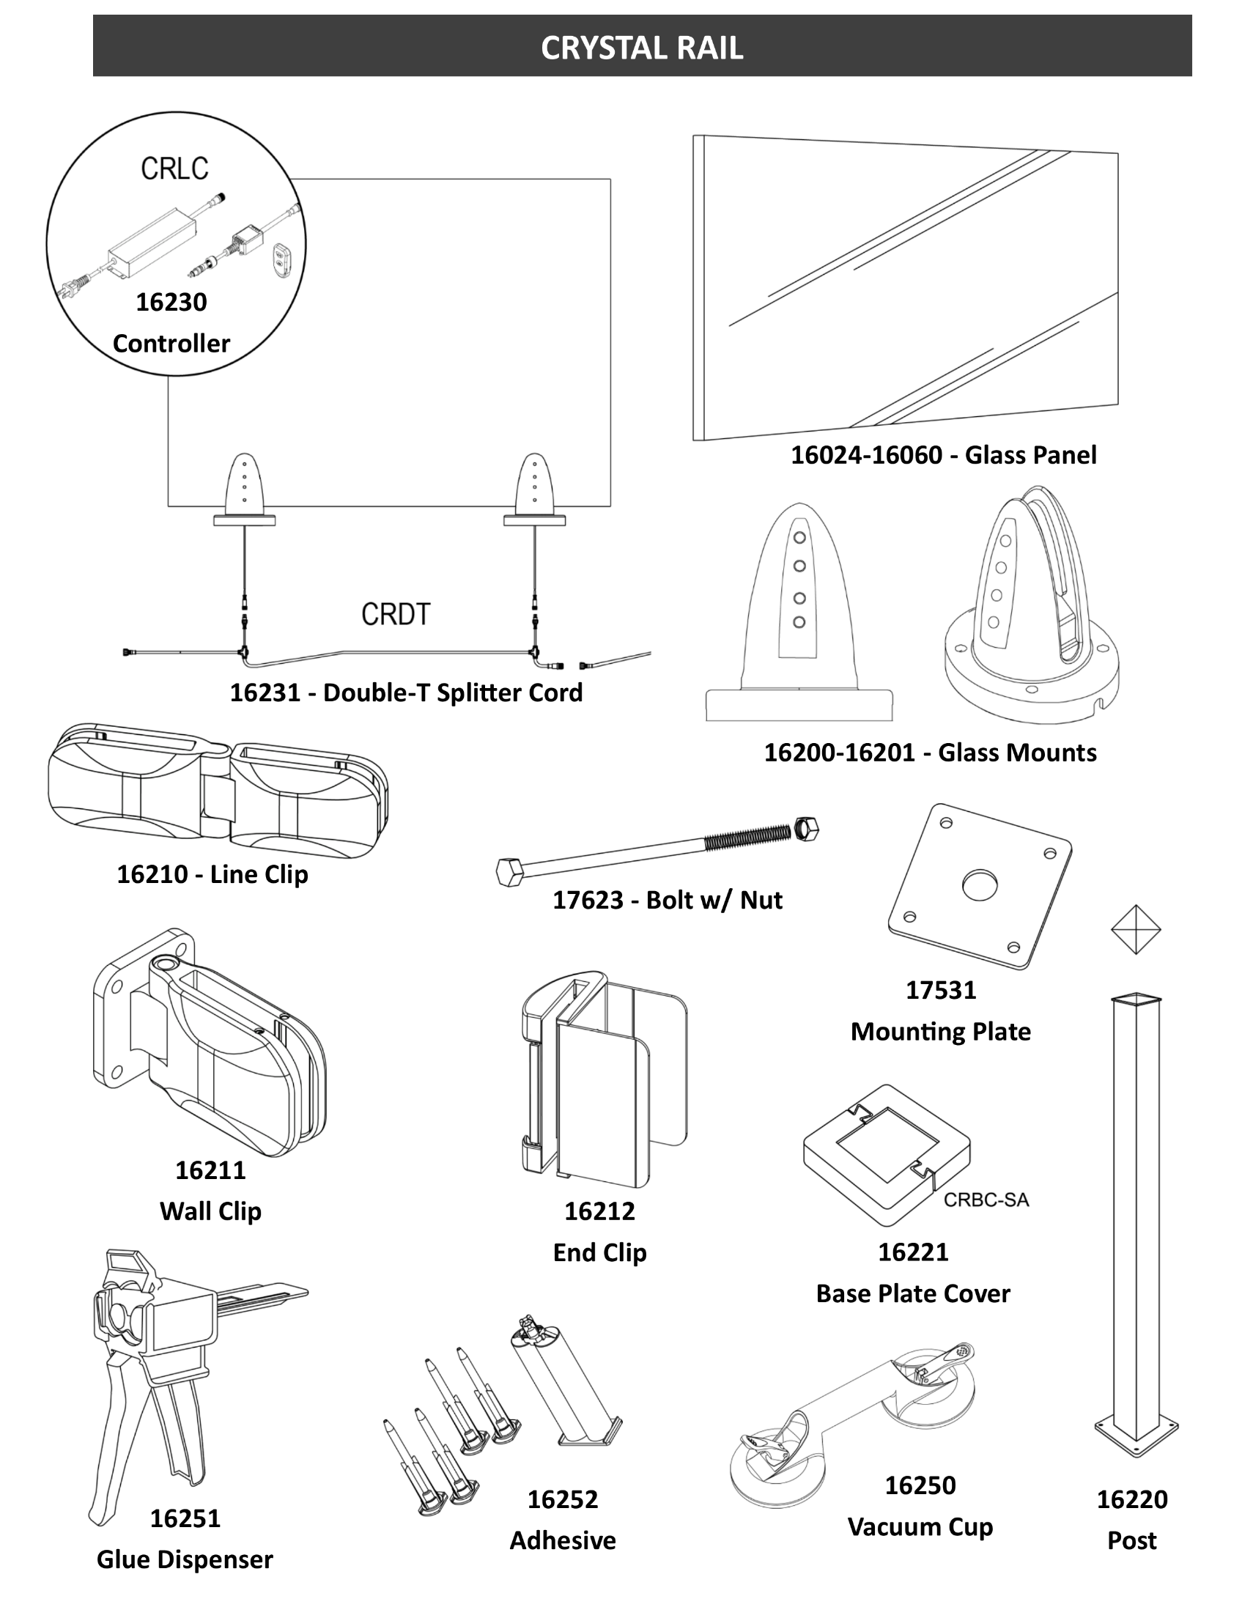

Satin Aluminum (SAL)
ITEM # | REGAL ID | LEVEL & STAIR GLASS MOUNTS & HARDWARE
16200 | CRH | Crystal Rail Horizontal Glass Mount with LED | 247.76
16201 | CRHS | Crystal Rail Stair Horizontal Glass Mount with LED | 262.98
17531 | MP5 | 5" Aluminum Bolt-through Mounting Plate | 20.54
17622 | MBC | 4" SS Concrete Anchor | 36.10
17623 | MB6 | 3/8" x 6" Bolt w/ Nut | 33.79
ITEM # | REGAL ID | LIGHTING FOR GLASS MOUNTS | BLACK
16230 | CRLC | Crystal Rail LED Controller | 622.02
16231 | CRDT | Crystal Rail Double-T Splitter Connection Cord | 75.35
ITEM # | REGAL ID | LEVEL WHITE NO IRON TEMPERED GLASS PANELS | GLASS
16024 | CRG24 | Crystal Rail 3/8" Glass Panel - 24"x40" | 428.13
16030 | CRG30 | Crystal Rail 3/8" Glass Panel - 30"x40" | 536.78
16036 | CRG36 | Crystal Rail 3/8" Glass Panel - 36"x40" | 639.07
16042 | CRG42 | Crystal Rail 3/8" Glass Panel - 42"x40" | 747.68
16048 | CRG48 | Crystal Rail 3/8" Glass Panel - 48"x40" | 856.36
16054 | CRG54 | Crystal Rail 3/8" Glass Panel - 54"x40" | 958.05
16060 | CRG60 | Crystal Rail 3/8" Glass Panel - 60"x40" | 1067.20
ITEM # | REGAL ID | STAIR WHITE NO IRON TEMPERED GLASS PANELS | GLASS
16103 | CRSG03 | Crystal Rail 3/8" Glass Panel for 35° Stair - 3 Steps | 895.89
16104 | CRSG04 | Crystal Rail 3/8" Glass Panel for 35° Stair - 4 Steps | 1090.19
16105 | CRSG05 | Crystal Rail 3/8" Glass Panel for 35° Stair - 5 Steps | 1284.49
ITEM # | REGAL ID | ACCESSORIES & FASTENERS
16250 | CVC | Crystal Rail Vacuum Cup | 99.55
16251 | CRGG | Crystal Rail Glue Dispenser | 60.08
16252 | CREG | Crystal Rail 2 Part Acrylic Adhesive | 54.46
16210 | CRBA | Crystal Rail Angle and Line Clip | 50.83
16211 | CRBW | Crystal Rail Adjustable Wall Bracing Clip | 31.50
16212 | CRBE | Crystal Rail End Brace Clip | 43.40
16220 | CRSP | Crystal Rail End Bracing Support Post | 136.10
16221 | CRBC | Crystal Rail Base Plate Cover for Support Post | 25.73
17618 | MPSS24 | 5/16"x6" Self-Drilling Structural Screw (24 Pk.) | 121.15
17619 | MPSS4 | 5/16"x6" Self-Drilling Structural Screw (4 Pk.) | 20.34
ITEM # | REGAL ID | CRYSTAL RAIL ADA HAND/STAIR RAIL
37150 | HR08 | 8' Handrail | 117.16
37151 | HSC | Rail Splice and Cap | 14.78
37152 | HAC | Adjustable Angle Connector | 46.77
37153 | HBW | Post/Wall Bracket | 37.62
37154 | HW90 | Rail - 90° Wall Return | 43.18
37155 | HEC | End Rail Cap | 10.00
37156 | HE5 | 5° Elbow | 51.66
37157 | HE35 | 35° Elbow | 53.09
37158 | HCR | 90° Corner/Return Section | 82.06
37159 | HLR | Handrail Loop | 70.63
37160 | HWC | Rail - Wall/Post Return Connector | 19.23
37161 | HBP | Picket Bracket | 24.39
37162 | HBG | 3/8" Glass Bracket | 48.28
37163 | HGC | Crystal Rail Epoxy Mounted Handrail Bracket | 35.90
37164 | HSF | Crystal Rail Sleeve Fitting | 10.44
17626 | WCS-50 | #10x¾" Self-Drilling Screws | 37.66

Regal ADA Handrail
2026 Price Book
REGAL ADA HANDRAIL
Return to Index
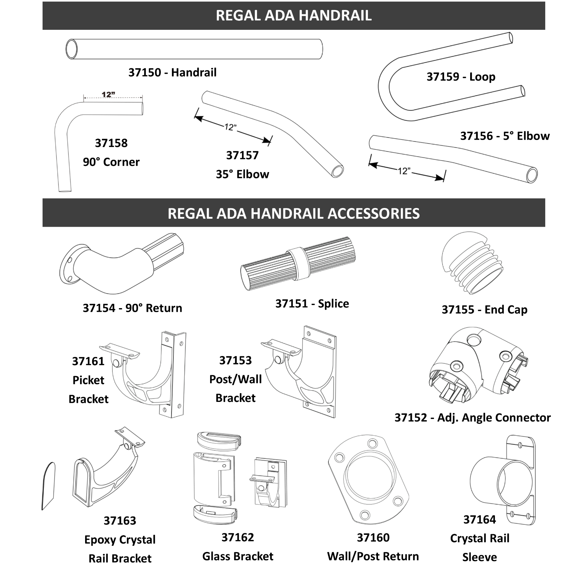

COLOR: Satin Aluminum (SAL)
ITEM # | REGAL ID | REGAL ADA HANDRAIL | SAL
37150 | HR08 | 8' Handrail | 117.16
37151 | HSC | Rail Splice and Cap | 14.78
37152 | HAC | Adjustable Angle Connector | 46.77
37153 | HBW | Post/Wall Bracket | 37.62
37154 | HW90 | Rail - 90° Wall Return | 43.18
37155 | HEC | End Rail Cap | 10.00
37156 | HE5 | 5° Elbow | 51.66
37157 | HE35 | 35° Elbow | 53.09
37158 | HCR | 90° Corner/Return Section | 82.06
37159 | HLR | Handrail Loop | 70.63
37160 | HWC | Rail - Wall/Post Return Connector | 19.23
37161 | HBP | Picket Bracket | 24.39
17626 | WCS-50 | #10x¾" Self-Drilling Screws | 37.66

Regal Telesteps
2026 Price Book
TELESTEPS LADDERS
Return to Index
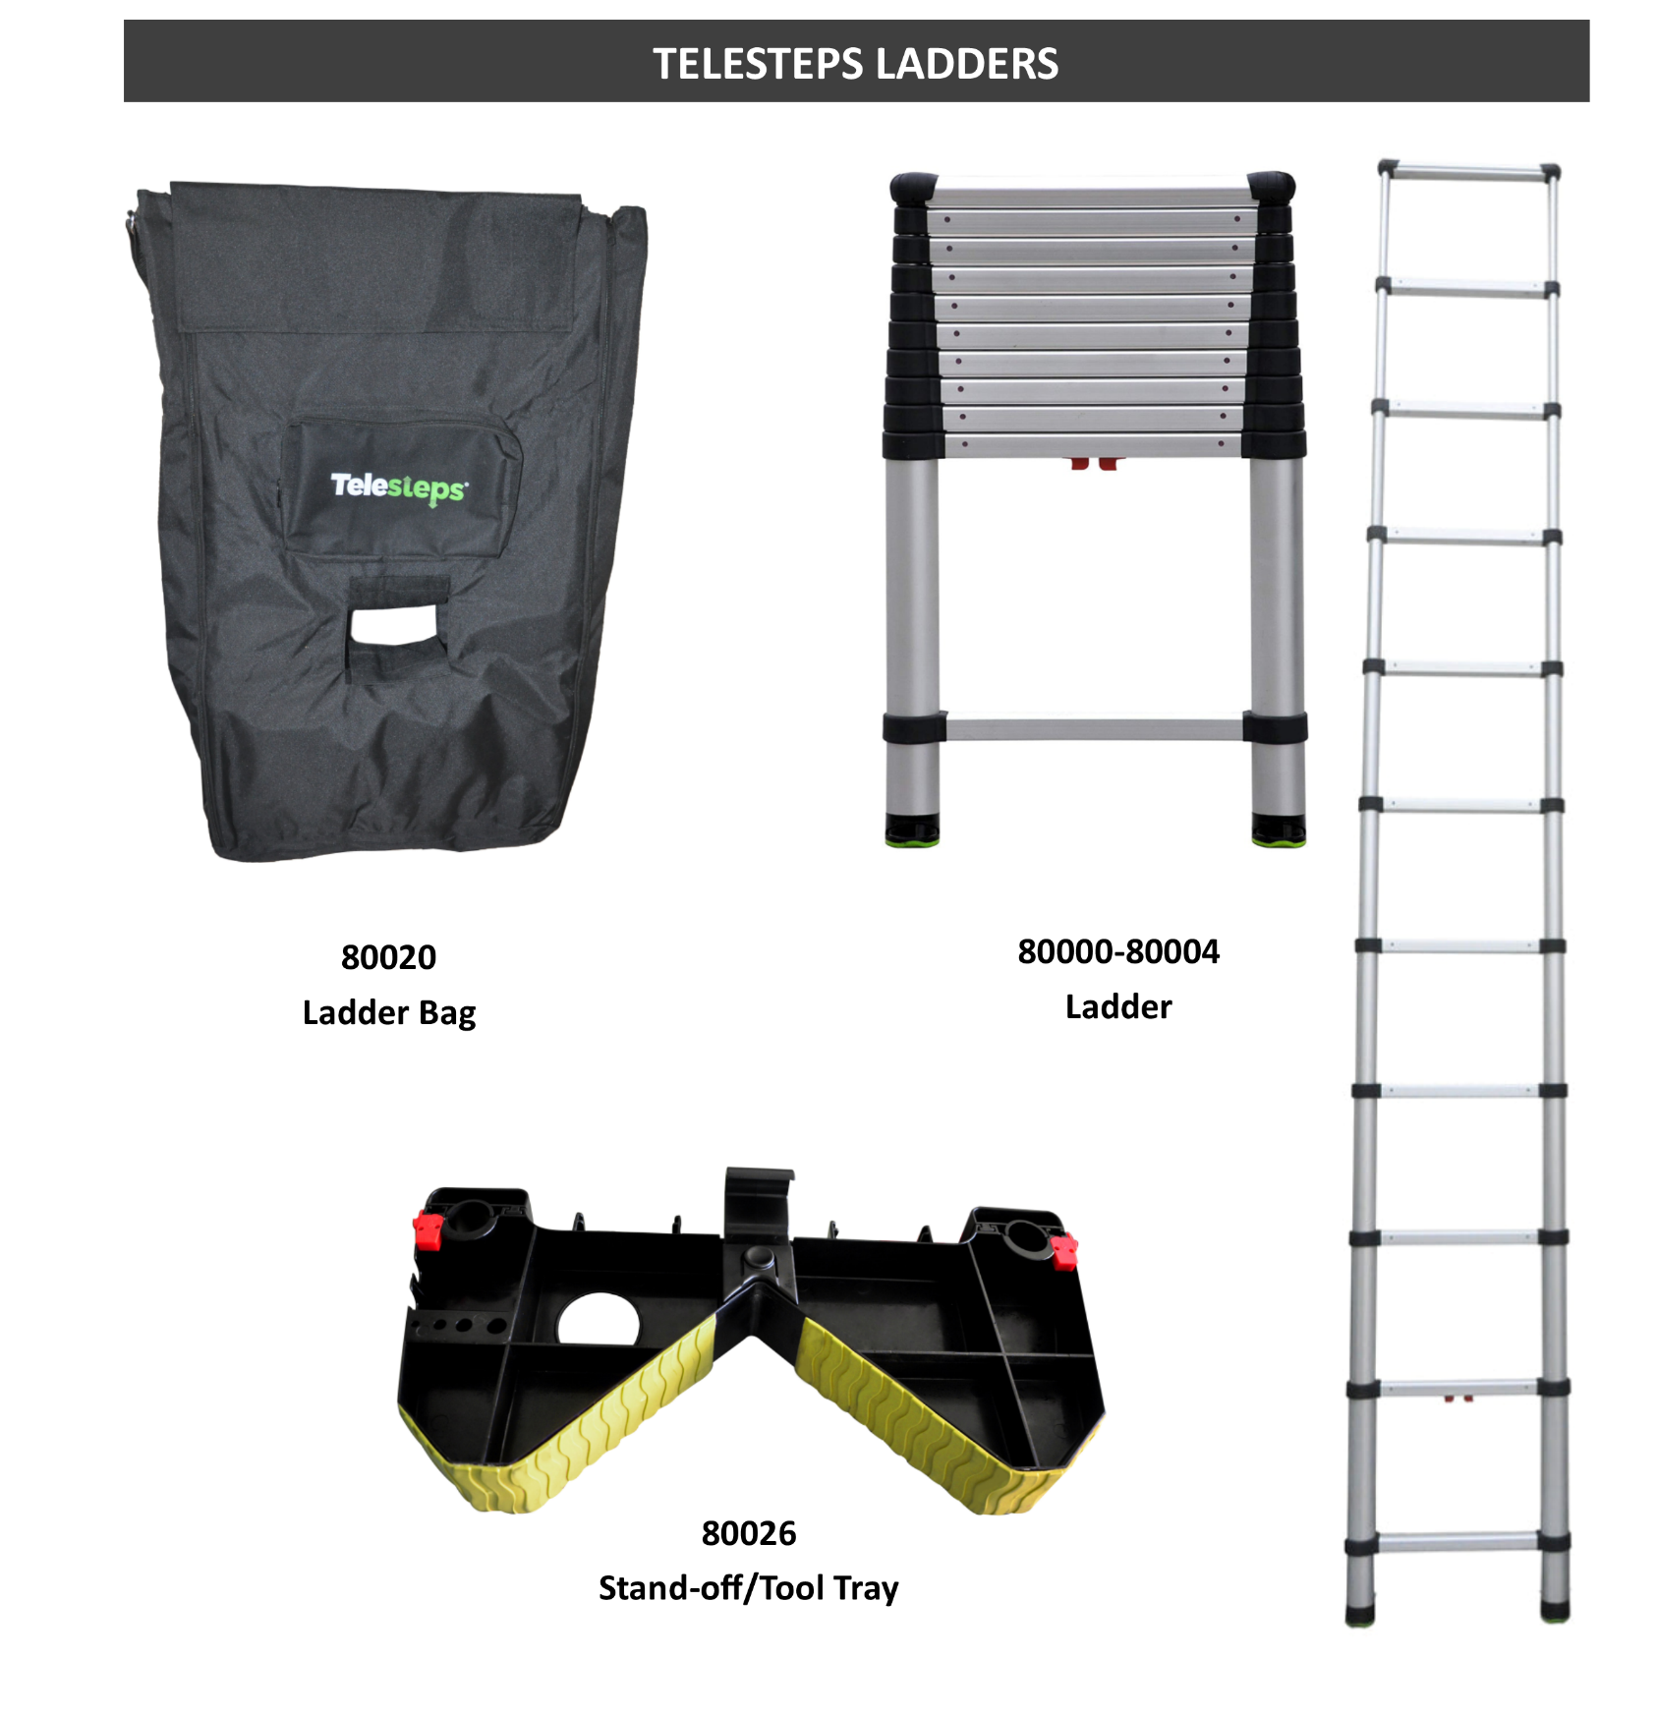

ITEM # | REGAL ID | TELESTEPS LADDERS & ACCESSORIES | PRICE
80000 | 1400E | 14' Consumer Line Ladder (1A 250 lbs Rating) | 534.53
80001 | 1600E | 16' Consumer Line Ladder (1A 250 lbs Rating) | 658.21
80002 | 1600ET | 16' Tactical Professional Line Ladder (1A 300 lbs Rating) | 774.58
80003 | 1600EP | 16' Professional Line Ladder (1A 300 lbs Rating) | 774.58
80004 | 1800EP | 18' Professional Line Ladder (1A 300 lbs Rating) | 894.56
80005 | 1600EKP | 16' Kevlar Non-Conductive Extension Ladder | 1881.90
80020 | BAGS-TS | Ladder Carry Bag | 124.52
80026 | TSO | Ladder Stand-off/Tool Tray | 116.92

LMT Lighting
LMT LIGHTING
Return to Index
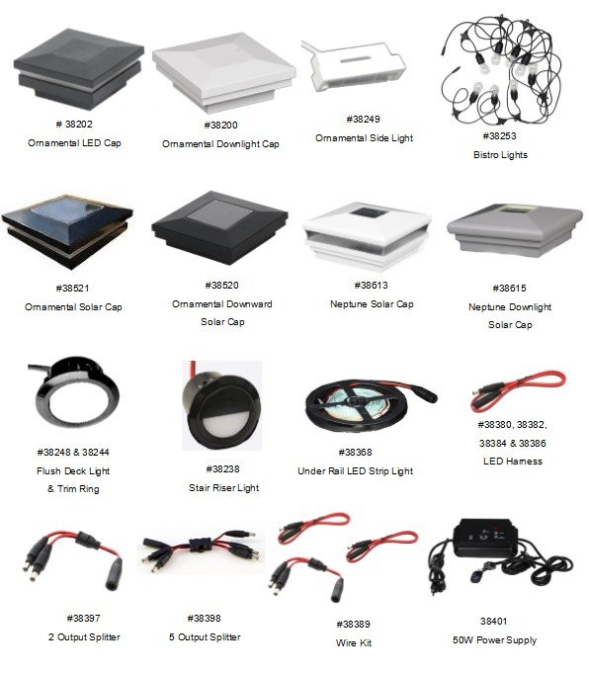

COLORS: Textured Black (TBL), Textured Bronze (TBZ), Textured White (TWH), White (W) (TEXTURED COLORS ARE MATCHED TO JAM RAILING COLORS)
ITEM # | LOW VOLTAGE POST CAP LIGHTS FOR ALUMINUM | TBL | TBZ | TWH | W
38200 | 2½" Ornamental Downward Light Cap - LV LED (3k) - (.8W) | 57.84 | 57.84 | 57.84 | -
38202 | 2½" Ornamental Light Cap - LV LED (3k) - (.8W) | 57.84 | 57.84 | 57.84 | -
38211 | 3½" Ornamental Light Cap - LV LED (3k) - (.8W) | 66.44 | - | - | -
ITEM # | SOLAR POST CAP LIGHTS FOR ALUMINUM | TBL | TBZ | TWH | W
38521 | 2½" Ornamental Solar Light | 90.86 | 90.86 | 90.86 | -
38520 | 2½" Ornamental Downward Solar Light | 75.65 | 75.65 | 75.65 | -
38531 | 3½" Ornamental Solar Light | 98.82 | - | - | -
38530 | 3½" Ornamental Downward Solar Light | 81.97 | - | - | -
ITEM # | LOW VOLTAGE POST CAP LIGHTS FOR VINYL | TBL | TBZ | TWH | W
38258 | Cape May 4" Post Cap Light - LV - LED (3k) - (.8W) | - | - | - | 45.85
38260 | Cape May Downward 4" Post Cap Light - LV (3k) - (.8W) | - | - | - | 49.09
38313 | Neptune 4" Post Cap Light - LV (3k) - (.8W) | - | - | - | 50.43
38315 | Neptune Downward 4" Post Cap Light - LV (3k) - (.8W) | - | - | - | 45.85
ITEM # | SOLAR POST CAP LIGHTS FOR VINYL | TBL | TBZ | TWH | W
38613 | Neptune 4" Post Cap Light - Solar | - | - | - | 54.49
38615 | Neptune Downward 4" Post Cap Light - Solar | - | - | - | 57.79
ITEM # | OTHER LOW VOLTAGE LIGHTS | TBL | TBZ | TWH | W
38238 | Recessed LV Stair Riser Light (3k) - (.4W) - Includes all 3 Colors | 17.83 | 17.83 | - | 17.83
38244 | Flush Light Trim (Bag of 10) - Not Textured | 17.98 | 17.98 | - | 17.98
38248 | Flush Deck Light - LV LED 3k - (.4W) - With Trim | 9.72 | - | - | -
38249 | Ornamental Side Light - LV LED (3k) - (.4W) - Includes all 3 Colors | 18.64 | 18.64 | - | 18.64
38253 | Bistro String Light - 24' - (8 Bulb - 3K LV - 6.4 Watts) | 63.95 | - | - | -
38350 | Stair/Side Light with covers - LV (3k) - (.4W) | - | - | - | 12.17
38358 | Dome Side Light - LED - LV - (.8W) | - | - | - | 16.70
38368 | Under Rail LED Strip Light - 92" | 112.05 | - | - | -
ITEM # | LOW VOLTAGE WIRING & POWER SUPPLIES | N/A | TBZ | TWH | W
38380 | 2' LV LED Harness | 6.30 | - | - | -
38382 | 5' LV LED Harness | 8.14 | - | - | -
38384 | 7' LV LED Harness | 11.67 | - | - | -
38386 | 9' LV LED Harness | 13.91 | - | - | -
38389 | Wire Kit (5' & 9' Harness, 2-Way Splitter) | 29.51 | - | - | -
38397 | 2 Output Splitter - LED LV | 7.55 | - | - | -
38398 | 5 Output Splitter - LED LV | 14.98 | - | - | -
38401 | 12 Volt/50Watt Power Supply with Photo Eye, and Timer | 279.99 | - | - | -

G-Tape
2026 Price Book
Joist Tape
Return to Index
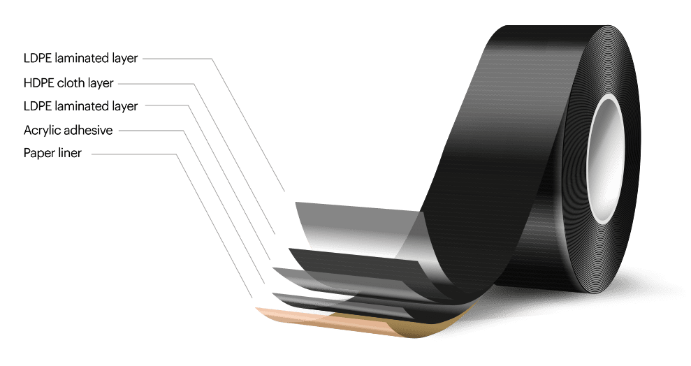

ITEM # | G-TAPE | EACH | BOX | BOX QTY | SKID | SKID QTY (BOXES)
03035-2 | 3035 Black G-Tape 2" x 65' | $25.59 | $729.32 | 30 | $53,892.54 | 78
03035-4 | 3035 Black G-Tape 4" x 65' | $51.16 | $874.84 | 18 | $53,871.48 | 65
03040-6 | 3040 Black G-Tape 6" x 65' | $77.06 | $924.72 | 12 | N/A | N/A
03040-9 | 3040 Black G-Tape 9" x 65' | $115.60 | $693.60 | 6 | N/A | N/A
03040-12 | 3040 Black G-Tape 12" x 65' | $186.22 | $1,117.32 | 6 | N/A | N/A

Vinyl Pro Series
2026 Price Book
PRO SERIES VINYL RAILING
Return to Index
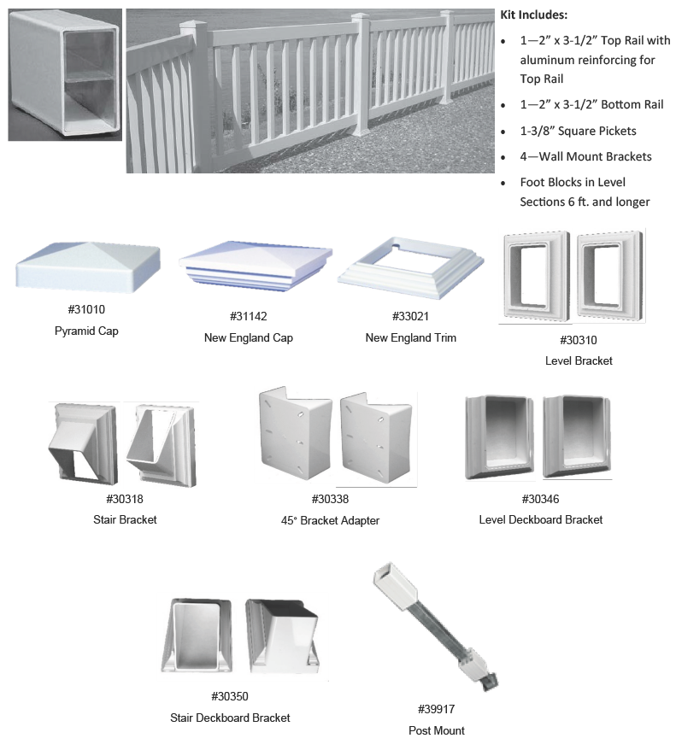

COLORS: White (W), Almond (A)
ITEM # | LEVEL RAIL KITS | W | A
10910 | Pro Series Vinyl Rail Kit - Level - 36"x6' | 242.82 | 258.27
10912 | Pro Series Vinyl Rail Kit - Level - 36"x8' | 303.38 | 322.39
ITEM # | STAIR RAIL KITS | W | A
10915 | Pro Series Vinyl Rail Kit - Stair - 36"x6' | 224.82 | 238.55
10918 | Pro Series Vinyl Rail Kit - Stair - 36"x8' | 359.48 | 376.70
ITEM # | POST SLEEVES AND ACCESSORIES | W | A
53452 | 4"x4"x39" Vinyl Post Sleeve | 23.40 | 30.81
53467 | 4"x4"x45" Vinyl Post Sleeve | 28.77 | 37.85
39917 | 4"x36/42" Galvanized Angle Wizard Post Mount (for vinyl post sleeves) | 78.01 | -
39410 | Concrete - GRK Post Screw - 19/64" x 3½" - Bag of 24 | 58.75 | -
39439 | Wood Pro Screw - 5/16"x 4" - Box of 25 | 17.47 | -
39442 | Wood Pro Screw - 5/16"x 4" - Box of 250 | 131.08 | -
ITEM # | ACCESSORIES | W | A
39740 | Pro Series Aluminum Insert - 6' | 40.48 | -
39742 | Pro Series Aluminum Insert - 8' | 54.39 | -
30310 | Pro/Series 100 Level Bracket - 2 Pack | 13.70 | 15.07
30318 | Pro/Series 100 Stair Bracket - 2 Pack | 15.48 | 17.03
30338 | Pro/Series 100 Bracket Adapter - 45° - 2 Pack | 25.88 | 28.47
30346 | Pro/Series 100 Deckboard Bracket - Level - 2 Pack | 23.52 | 25.87
30350 | Pro/Series 100 Deckboard Bracket - Stair - 2 Pack | 27.28 | 30.01
39315 | Deck Board Railing Connector | 30.41 | -
31010 | 4" Pyramid Cap | 4.11 | 4.84
31142 | 4" New England Cap | 11.12 | 12.23
33021 | 4" New England Post Trim | 7.46 | 8.17
39694 | 1.5 oz Vinyl Adhesive | 9.61 | -
39697 | 6 oz Vinyl Adhesive | 29.16 | -
ITEM # | GATE | W | A
35150 | Pro Series Vinyl Rail Gate Kit - Unassembled - 36"x48" | 565.10 | 627.85
ITEM # | GATE HARDWARE | Black | A
35315 | Nationwide Self-Close Adjustable Hinge Pair | 89.67 | -
35380 | Keystone 1-Sided External Mount Nylon Latch | 49.32 | -

Vinyl Posts-Caps-Trims.
2026 Price Book
VINYL POSTS - CAPS - TRIMS - LINEALS
Return to Index

COLORS: White (W), Almond/Standstone (A), Khaki/Adobe (K), Black (B)
ITEM # | POST SLEEVES AND MOUNTS | W | A | K | B
53452 | 4"x4"x39" Vinyl Post Sleeve | 25.74 | 33.89 | - | 52.49
53467 | 4"x4"x45" Vinyl Post Sleeve | 31.65 | 41.64 | - | -
39917 | 4"x36/42" Galvanized Angle Wizard Post Mount (for vinyl post sleeves) | 85.81 | - | - | -
39919 | 5"x36/42" Galvanized Angle Wizard Post Mount (for vinyl post sleeves) | 85.81 | - | - | -
39410 | Concrete - GRK Post Screw - 19/64" x 3½" - Bag of 24 | 64.63 | - | - | -
39439 | Wood Pro Screw - 5/16"x 4" - Box of 25 | 19.22 | - | - | -
39442 | Wood Pro Screw - 5/16"x 4" - Box of 250 | 144.19 | - | - | -
ITEM # | PORCH POST SLEEVES | W | A | K | B
53541 | 4"x4"x108" Vinyl Post Sleeve | 62.57 | 68.83 | - | 97.78
53652 | 5"x5"x108" Vinyl Post Sleeve | 70.86 | 77.95 | - | -
ITEM # | POST WRAPS | W | A | K | B
55037 | Vinyl Post Wrap 4"x4"x108" - 4- Piece | 180.51 | 215.57 | 215.57 | -
55038 | Vinyl Post Wrap 4"x4"x120" - 4-Piece - OVERSIZED | 180.51 | 215.57 | 215.57 | -
55044 | Vinyl Post Wrap 6"x6"x108" - 4-Piece | 222.79 | 287.31 | 287.31 | -
55045 | Vinyl Post Wrap 6"x6"x120" - 4-Piece - OVERSIZED | 222.79 | 287.31 | 287.31 | -
ITEM # | STRUCTURAL PORCH POST | W | A | K | B
55020 | 5"x5"x108" Plain (Square) Structural Vinyl Post | 428.51 | - | - | -
ITEM # | CAPS, TRIMS, ACCESSORIES | W | A | K | B
31010 | 4" Pyramid Cap | 4.11 | 4.84 | - | -
31016 | 5" Pyramid Cap | 5.32 | 5.85 | - | -
31030 | 5" Gothic (Spade) Cap | 25.54 | 24.97 | - | -
31142 | 4" New England Cap | 12.23 | 13.45 | - | -
31146 | 5" Classic New England Cap | 14.34 | 16.50 | - | -
31148 | 5" New England Cap | 17.94 | 19.73 | - | -
33021 | 4" New England Post Trim | 8.21 | 8.99 | - | -
33025 | 5" New England Post Trim | 15.24 | 16.76 | - | -
33027 | 6" New England Post Trim | 39.48 | 43.43 | - | -
33809 | 4"-6½" Adj. Classic Post Wrap Trim (4-Piece) | 25.71 | 48.13 | 50.27 | -
36218 | 5/8" Hole Plug - Bag of 50 | 20.90 | 23.65 | - | 30.80
36225 | 1" Hole Plug - Bag of 25 | 19.53 | 22.00 | - | -
ITEM # | LINEALS | W | A | K | B
60266 | Vinyl Rail - 1¾" x 3½" x 96" (Rd. Corner) | - | - | - | 90.32
60335 | Vinyl Rail - 2"x3½"x96" | 74.50 | 86.05 | - | -

Pergolas
2026 Price Book
VINYL PERGOLA PARTS
Return to Index
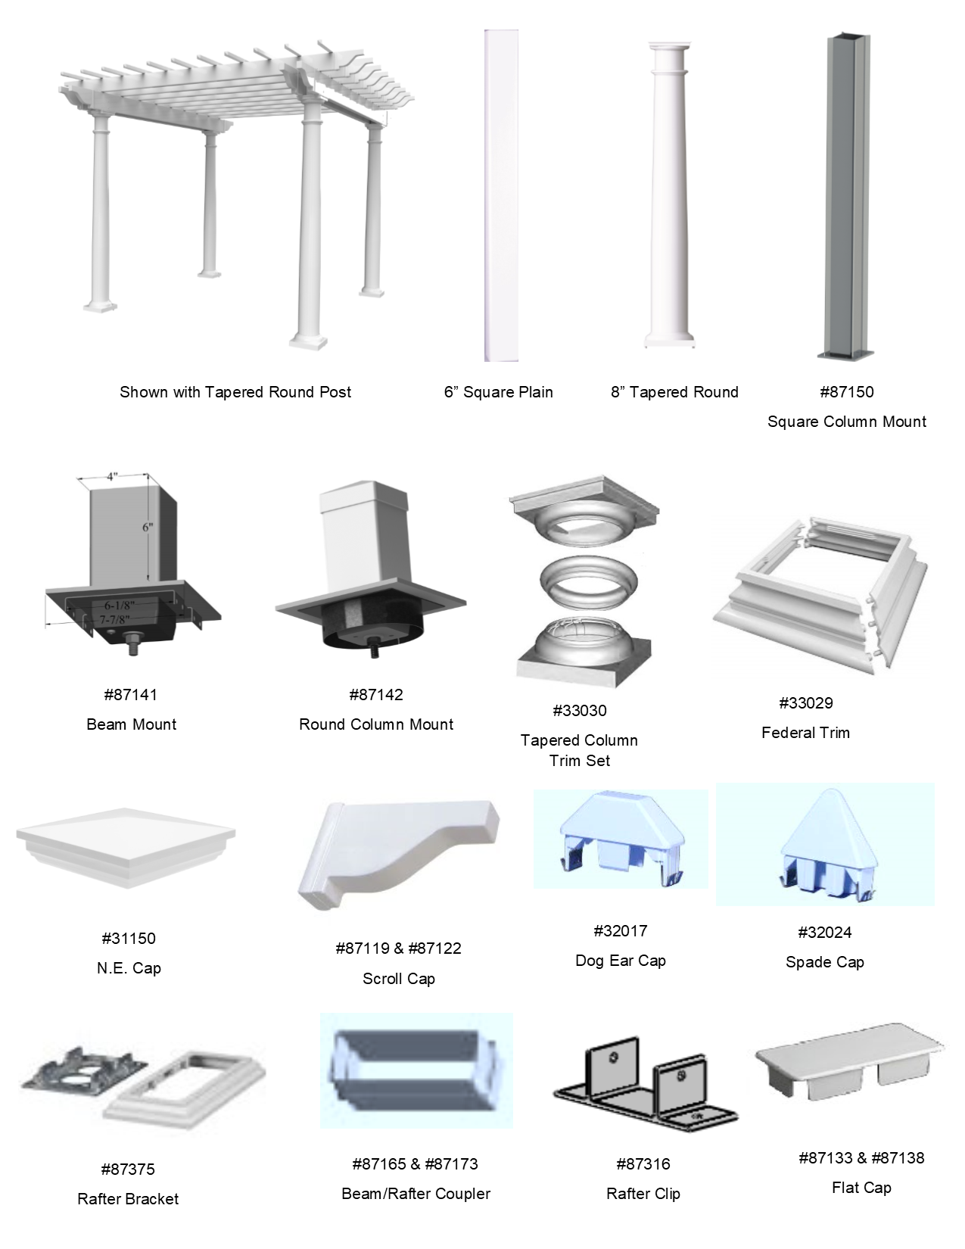

Pergola kits include aluminum inserts for the posts, beams, and rafters.
COLOR: White (W) PRICING FOR ALMOND, CLAY, OR BLACK AVAILABLE UPON REQUEST. PRICING FOR KITS WITH 6" SQUARE, (8" ROUND AVAILABLE UPON REQUEST)
ITEM # | FREE STANDING PERGOLA | Please contact us for pricing.
84100 | Pergola - 12x12
84120 | Pergola - 12x16
ITEM # | PERGOLA POSTS l POST ACCESSORIES
53898 | Post Sleeve - 6"x6"x108"
87102 | 8"x8"x90" Tapered Pergola Column
87150 | Pergola Column Mount - 6" Square
87152 | 8" Round Tapered Pergola Column Mount
87141 | Pergola Square Beam Mount Assembly - 6"
33027 | Post Trim - 6" - New England
33029 | Post Trim - 6" - Federation (2pc)
31150 | 6" New England Cap
ITEM # | PERGOLA RAILS - BEAMS l RAFTERS l INSERTS
60407 | Rafter - 2"x6"x8' - Hollow
60418 | Rafter - 2"x6"x12' - Hollow
60427 | Rafter - 2"x6"x16' - Hollow
60482 | Beam - 2"x8"x8' - Hollow
60484 | Beam - 2"x8"x12' - Hollow
60488 | Beam - 2"x8"x16' - Hollow
39854 | Aluminum Rafter Insert - 2"x6"x12'
39856 | Aluminum Rafter Insert - 2"x6"x16'
39848 | Aluminum Beam Insert - 2"x8"x12'
39850 | Aluminum Beam Insert - 2"x8"x16'
ITEM # | PERGOLA SHADE PICKET CANOPY
70142 | Shade Picket - 7/8"x3"x12'
70145 | Shade Picket - 7/8"x3"x16'
32017 | Shade Picket Cap - Dog Ear - 7/8"x3"
ITEM # | PERGOLA ACCESSORIES AND HARDWARE
87316 | Stainless Steel Pergola Rafter Bracket - 2"
87119 | Pergola Rail Cap - Scroll - 2"x6"
87133 | Pergola Rail Cap - Flat - 2"x6"
87122 | Pergola Rail Cap - Scroll - 2"x8"
87138 | Pergola Rail Cap - Flat - 2"x8"
87165 | Beam/Rafter Coupler - 2"x6"
87173 | Beam/Rafter Coupler - 2"x8"
87375 | Rafter Wall Bracket (For Attached Pergolas) - 2"x6"
36225 | Hole Plug - 1" - Bag of 25
39127 | Screw - #14x1" Hex Washer Head Tek Screw (For Rafter Bracket) 50 Ct
39121 | Screw - #10x1½ Pan Head Tek Screw (For Pergola Canopy) 50 Ct
39694 | Vinyl Adhesive - 1½ oz.
39697 | Vinyl Adhesive - 6 oz.

LMT Vinyl Arbors
2026 Price Book
LMT VINYL ARBORS
Return to Index
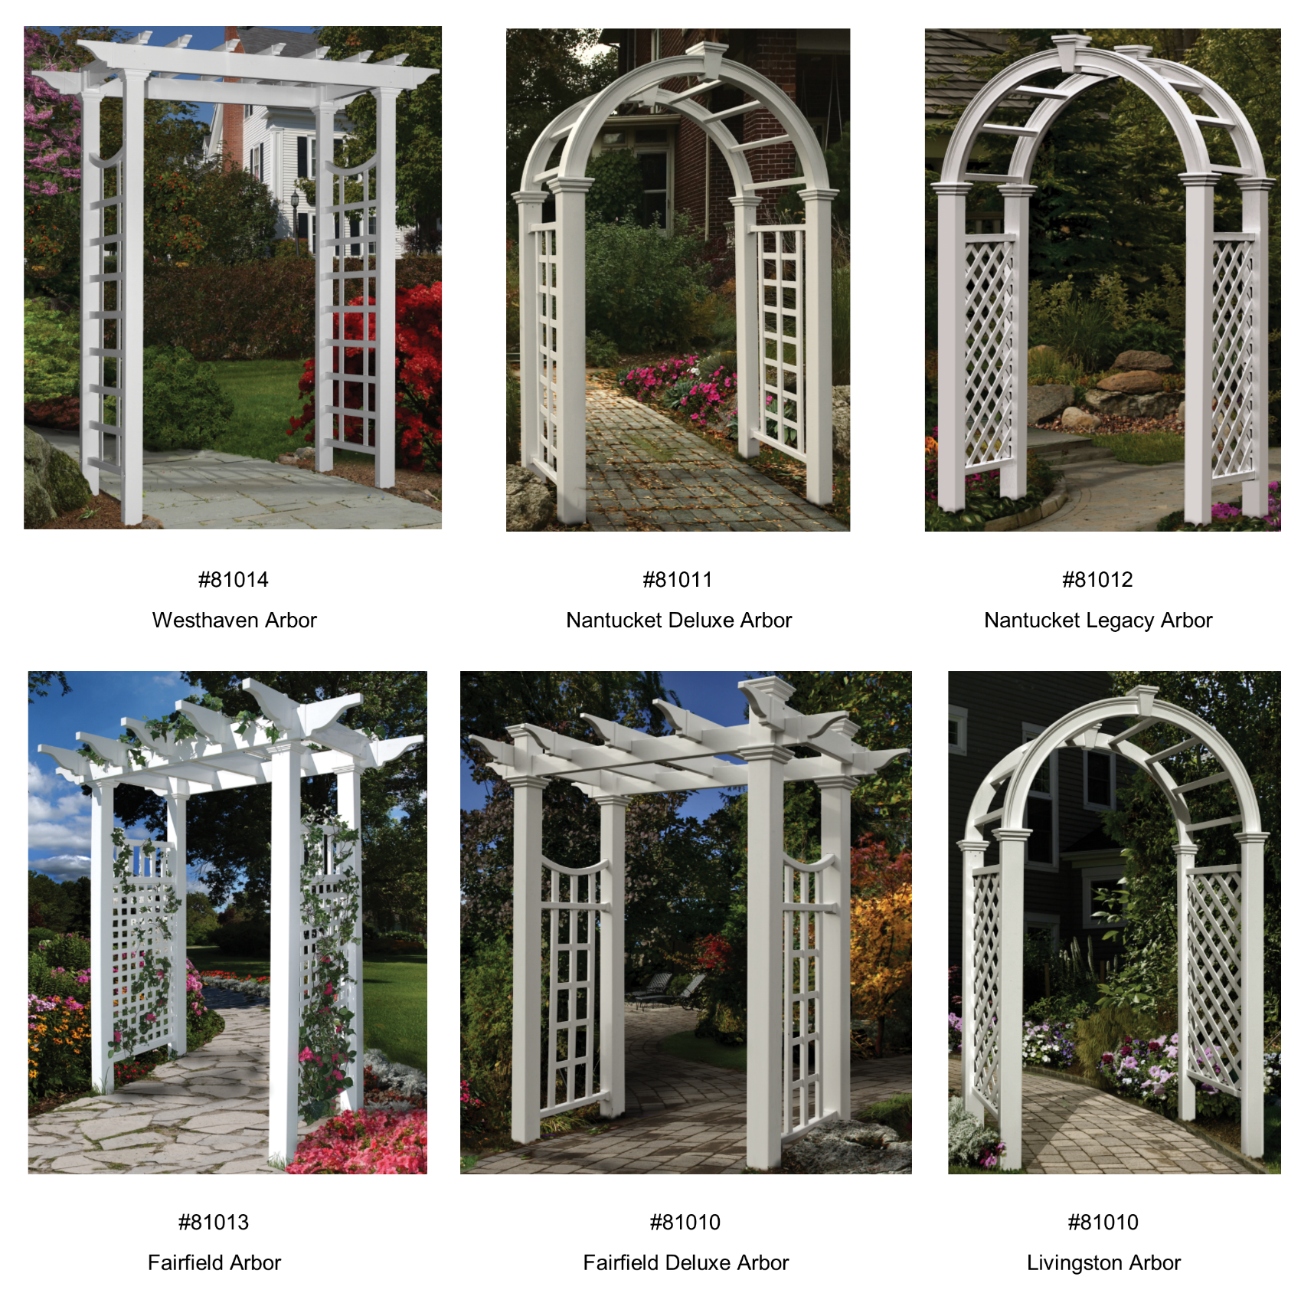

COLOR: White (W)
ITEM # | FREE STANDING ARBORS | WHITE
81010 | Livingston Arbor | 703.61
81011 | Nantucket Deluxe Arbor | 1,172.69
81012 | Nantucket Legacy Arbor | 1,055.43
81013 | Fairfield Arbor | 1,407.23
81014 | Westhaven Arbor | 703.61
81015 | Fairfield Deluxe Arbor | 1,407.23

Fence
Return to Index

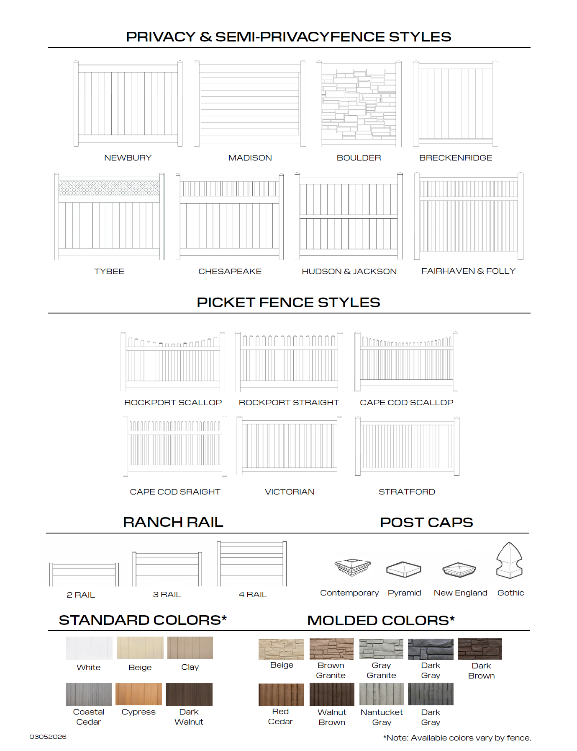

https://www.catalystfence.com/resources/catalog

